Supplementary Table S3
Supplementary Table S3. Module overview for the resulting six modules (only metabolites that overlap in baseline and post-exercise) including metabolite superpathways, subpathways, module membership and significance (referring to baseline metabolite levels) of the module membership.

Matched pairs of module assignment between baseline and post-exercise:
mod_col_baseline mod_col_post overlap checked
brown ("sphingos") greeen 79
grey ("leftovers") grey 185
turquoise ("ACs and ...") turquoise 110
green ("complex lipids") yellow 59
yellow ("steroids") blue 71
blue ("LC-FAs") brown 75
Complex lipids module ("green"): 59 metabolites |  |  |  |  | Steroid module ("yellow"): 71 metabolites |  |  |  |  | Sphingolipid module ("brown"): 79 metabolites |  |  |  |  | Long chain fatty acids module ("blue"): 75 metabolites |  |  |  |  | Acylcarnitines and dicarboxylates module ("turquoise"): 110 metabolites |  |  |  |  | "Left overs" module ("grey"): 185 metabolites |  |  |  |  | Metabolites assigned to different modules at baseline and post-exercise
Metabolite | Superpathway | Subpathway | Module membership baseline | P-value module membership baseline | Metabolite | Superpathway | Subpathway | Module membership baseline | P-value module membership baseline | Metabolite | Superpathway | Subpathway | Module membership baseline | P-value module membership baseline | Metabolite | Superpathway | Subpathway | Module membership baseline | P-value module membership baseline | Metabolite | Superpathway | Subpathway | Module membership baseline | P-value module membership baseline | Metabolite | Superpathway | Subpathway | Module membership baseline | P-value module membership baseline | Metabolite | Module membership baseline baseline | Module membership post-exercise
N-palmitoyl-sphinganine (d18:0/16:0) | Lipid | Dihydroceramides | 0.631 | 4.8E-05 | glutamate | Amino Acid | Glutamate Metabolism | 0.412 | 1.4E-02 | sphingomyelin (d18:1/22:1. d18:2/22:0. d16:1/24:1) | Lipid | Sphingomyelins | 0.928 | 1.1E-15 | tetradecadienoate (14:2) | Lipid | Long Chain Polyunsaturated Fatty Acid (n3 and n6) | 0.947 | 8.0E-18 | laurylcarnitine (C12) | Lipid | Fatty Acid Metabolism (Acyl Carnitine. Medium Chain) | 0.909 | 4.7E-14 | 4-hydroxyphenylacetylglutamine | Peptide | Acetylated Peptides | 0.110 | 0.529 | 3-aminoisobutyrate | blue | turquoise
2-hydroxyglutarate | Lipid | Fatty Acid. Dicarboxylate | 0.538 | 8.5E-04 | 4-guanidinobutanoate | Amino Acid | Guanidino and Acetamido Metabolism | 0.499 | 2.3E-03 | sphingomyelin (d18:2/23:0. d18:1/23:1. d17:1/24:1) | Lipid | Sphingomyelins | 0.924 | 2.6E-15 | stearate (18:0) | Lipid | Long Chain Saturated Fatty Acid | 0.942 | 2.9E-17 | 3-hydroxyoleoylcarnitine | Lipid | Fatty Acid Metabolism (Acyl Carnitine. Hydroxy) | 0.883 | 2.3E-12 | phenylacetylglutamine | Peptide | Acetylated Peptides | 0.101 | 0.562 | anthranilate | blue | grey
caffeic acid sulfate | Xenobiotics | Food Component/Plant | 0.567 | 3.8E-04 | guanidinosuccinate | Amino Acid | Guanidino and Acetamido Metabolism | -0.493 | 2.6E-03 | tricosanoyl sphingomyelin (d18:1/23:0) | Lipid | Sphingomyelins | 0.894 | 4.9E-13 | palmitate (16:0) | Lipid | Long Chain Saturated Fatty Acid | 0.935 | 2.1E-16 | myristoleoylcarnitine (C14:1) | Lipid | Fatty Acid Metabolism (Acyl Carnitine. Monounsaturated) | 0.882 | 2.4E-12 | N6-carboxymethyllysine | Carbohydrate | Advanced Glycation End-product | -0.281 | 0.102 | aspartate | blue | grey
N-(2-furoyl)glycine | Xenobiotics | Food Component/Plant | 0.555 | 5.4E-04 | methionine sulfone | Amino Acid | Methionine. Cysteine. SAM and Taurine Metabolism | -0.457 | 5.8E-03 | sphingomyelin (d18:1/19:0. d19:1/18:0) | Lipid | Sphingomyelins | 0.890 | 8.6E-13 | linoleate (18:2n6) | Lipid | Long Chain Polyunsaturated Fatty Acid (n3 and n6) | 0.933 | 3.3E-16 | 3-hydroxyhexanoylcarnitine (1) | Lipid | Fatty Acid Metabolism (Acyl Carnitine. Hydroxy) | 0.868 | 1.5E-11 | N,N-dimethylalanine | Amino Acid | Alanine and Aspartate Metabolism | 0.302 | 0.077 | branchedchain 14:0 dicarboxylic acid | blue | grey
dihydroferulic acid sulfate | Xenobiotics | Food Component/Plant | 0.425 | 1.1E-02 | spermidine | Amino Acid | Polyamine Metabolism | -0.373 | 2.8E-02 | behenoyl sphingomyelin (d18:1/22:0) | Lipid | Sphingomyelins | 0.890 | 8.6E-13 | oleate/vaccenate (18:1) | Lipid | Long Chain Monounsaturated Fatty Acid | 0.932 | 4.4E-16 | myristoylcarnitine (C14) | Lipid | Fatty Acid Metabolism (Acyl Carnitine. Long Chain Saturated) | 0.865 | 2.1E-11 | N-acetylasparagine | Amino Acid | Alanine and Aspartate Metabolism | 0.250 | 0.148 | cholate | blue | grey
mannitol/sorbitol | Carbohydrate | Fructose. Mannose and Galactose Metabolism | 0.482 | 3.4E-03 | androstenediol (3beta, 17beta) disulfate (2) | Lipid | Androgenic Steroids | 0.821 | 1.6E-09 | sphingomyelin (d18:1/17:0. d17:1/18:0. d19:1/16:0) | Lipid | Sphingomyelins | 0.881 | 3.0E-12 | 10-heptadecenoate (17:1n7) | Lipid | Long Chain Monounsaturated Fatty Acid | 0.920 | 5.1E-15 | decanoylcarnitine (C10) | Lipid | Fatty Acid Metabolism (Acyl Carnitine. Medium Chain) | 0.856 | 5.4E-11 | N-carbamoylalanine | Amino Acid | Alanine and Aspartate Metabolism | 0.144 | 0.409 | cysteine-s-sulfate | blue | grey
1-ribosyl-imidazoleacetate | Amino Acid | Histidine Metabolism | 0.546 | 6.9E-04 | androstenediol (3beta, 17beta) disulfate (1) | Lipid | Androgenic Steroids | 0.804 | 5.8E-09 | sphingomyelin (d18:1/20:0. d16:1/22:0) | Lipid | Sphingomyelins | 0.881 | 3.0E-12 | nonadecanoate (19:0) | Lipid | Long Chain Saturated Fatty Acid | 0.919 | 7.5E-15 | acetylcarnitine (C2) | Lipid | Fatty Acid Metabolism (Acyl Carnitine. Short Chain) | 0.850 | 1.1E-10 | glucuronate | Carbohydrate | Aminosugar Metabolism | -0.085 | 0.629 | ethyl-beta-glucopyranoside | blue | grey
1-oleoyl-GPC (18:1) | Lipid | Lysophospholipid | 0.833 | 5.2E-10 | 5alpha-androstan-3beta, 17beta-diol disulfate | Lipid | Androgenic Steroids | 0.803 | 6.4E-09 | palmitoyl sphingomyelin (d18:1/16:0) | Lipid | Sphingomyelins | 0.880 | 3.3E-12 | 10-nonadecenoate (19:1n9) | Lipid | Long Chain Monounsaturated Fatty Acid | 0.916 | 1.3E-14 | 3-hydroxyoctanoylcarnitine (1) | Lipid | Fatty Acid Metabolism (Acyl Carnitine. Hydroxy) | 0.842 | 2.2E-10 | 5alpha-androstan-3beta, 17alpha-diol disulfate | Lipid | Androgenic Steroids | -0.199 | 0.252 | ferulic acid 4-sulfate | blue | yellow
1-linoleoyl-GPC (18:2) | Lipid | Lysophospholipid | 0.822 | 1.5E-09 | androstenediol (3beta, 17beta) monosulfate (1) | Lipid | Androgenic Steroids | 0.782 | 2.8E-08 | cholesterol | Lipid | Sterol | 0.873 | 8.0E-12 | dihomo-linoleate (20:2n6) | Lipid | Long Chain Polyunsaturated Fatty Acid (n3 and n6) | 0.914 | 1.8E-14 | 3-hydroxydecanoylcarnitine | Lipid | Fatty Acid Metabolism (Acyl Carnitine. Hydroxy) | 0.840 | 2.9E-10 | ascorbic acid 3-sulfate | Cofactors and Vitamins | Ascorbate and Aldarate Metabolism | 0.213 | 0.219 | Fibrinopeptide B (1-9) | blue | grey
1-linoleoyl-GPE (18:2) | Lipid | Lysophospholipid | 0.785 | 2.3E-08 | 5alpha-androstan-3alpha, 17beta-diol disulfate | Lipid | Androgenic Steroids | 0.775 | 4.5E-08 | sphingomyelin (d18:2/23:1) | Lipid | Sphingomyelins | 0.846 | 1.5E-10 | branched-chain, straight-chain, or cyclopropyl 12:1 fatty acid | Partially Characterized Molecules | Partially Characterized Molecules | 0.912 | 2.6E-14 | 3-hydroxysebacate | Lipid | Fatty Acid. Monohydroxy | 0.839 | 3.0E-10 | 2-O-methylascorbic acid | Cofactors and Vitamins | Ascorbate and Aldarate Metabolism | 0.078 | 0.656 | gamma-glutamyl epsilon-lysine | blue | grey
1-linolenoyl-GPC (18:3) | Lipid | Lysophospholipid | 0.769 | 6.8E-08 | androstenediol (3alpha, 17alpha) monosulfate (3) | Lipid | Androgenic Steroids | 0.754 | 1.7E-07 | sphingomyelin (d17:1/16:0. d18:1/15:0. d16:1/17:0) | Lipid | Sphingomyelins | 0.844 | 1.9E-10 | margarate (17:0) | Lipid | Long Chain Saturated Fatty Acid | 0.910 | 3.4E-14 | octanoylcarnitine (C8) | Lipid | Fatty Acid Metabolism (Acyl Carnitine. Medium Chain) | 0.839 | 3.1E-10 | 1H-indole-7-acetic acid | Xenobiotics | Bacterial/Fungal | 0.151 | 0.388 | indoleacetylglutamine | blue | yellow
1-oleoyl-GPE (18:1) | Lipid | Lysophospholipid | 0.719 | 1.2E-06 | androsterone sulfate | Lipid | Androgenic Steroids | 0.741 | 3.7E-07 | sphingomyelin (d18:1/21:0. d17:1/22:0. d16:1/23:0) | Lipid | Sphingomyelins | 0.844 | 1.9E-10 | 3-hydroxylaurate | Lipid | Fatty Acid, Monohydroxy | 0.899 | 2.1E-13 | 3-hydroxydodecanedioate | Lipid | Fatty Acid. Dicarboxylate | 0.838 | 3.3E-10 | 4-hydroxyhippurate | Xenobiotics | Benzoate Metabolism | 0.296 | 0.084 | indolin-2-one | blue | grey
1-stearoyl-GPI (18:0) | Lipid | Lysophospholipid | 0.664 | 1.4E-05 | 5alpha-androstan-3alpha, 17beta-diol monosulfate (1) | Lipid | Androgenic Steroids | 0.734 | 5.4E-07 | sphingomyelin (d18:2/21:0. d16:2/23:0) | Lipid | Sphingomyelins | 0.835 | 4.6E-10 | myristoleate (14:1n5) | Lipid | Long Chain Monounsaturated Fatty Acid | 0.896 | 3.7E-13 | 3-hydroxyoctanoylcarnitine (2) | Lipid | Fatty Acid Metabolism (Acyl Carnitine. Hydroxy) | 0.838 | 3.5E-10 | 3-(3-hydroxyphenyl)propionate sulfate | Xenobiotics | Benzoate Metabolism | 0.255 | 0.139 | methyl glucopyranoside alpha beta | blue | yellow
1-palmitoleoyl-GPC (16:1) | Lipid | Lysophospholipid | 0.616 | 8.2E-05 | dehydroepiandrosterone sulfate (DHEA-S) | Lipid | Androgenic Steroids | 0.717 | 1.3E-06 | sphingomyelin (d18:1/14:0. d16:1/16:0) | Lipid | Sphingomyelins | 0.835 | 4.7E-10 | myristate (14:0) | Lipid | Long Chain Saturated Fatty Acid | 0.893 | 5.5E-13 | oleoylcarnitine (C18:1) | Lipid | Fatty Acid Metabolism (Acyl Carnitine. Monounsaturated) | 0.830 | 7.1E-10 | 3-(3-hydroxyphenyl)propionate | Xenobiotics | Benzoate Metabolism | 0.225 | 0.195 | N-acetylglycine | blue | turquoise
1-linoleoyl-GPI (18:2) | Lipid | Lysophospholipid | 0.612 | 9.3E-05 | androsterone glucuronide | Lipid | Androgenic Steroids | 0.710 | 1.8E-06 | lignoceroyl sphingomyelin (d18:1/24:0) | Lipid | Sphingomyelins | 0.819 | 1.8E-09 | dihomo-linolenate (20:3n3 or n6) | Lipid | Long Chain Polyunsaturated Fatty Acid (n3 and n6) | 0.892 | 6.1E-13 | palmitoleoylcarnitine (C16:1) | Lipid | Fatty Acid Metabolism (Acyl Carnitine. Monounsaturated) | 0.821 | 1.5E-09 | 4-vinylphenol sulfate | Xenobiotics | Benzoate Metabolism | 0.200 | 0.250 | N-lactoyl tyrosine | blue | grey
1-oleoyl-GPI (18:1) | Lipid | Lysophospholipid | 0.597 | 1.5E-04 | androstenediol (3alpha, 17alpha) monosulfate (2) | Lipid | Androgenic Steroids | 0.691 | 4.3E-06 | sphingomyelin (d17:2/16:0. d18:2/15:0) | Lipid | Sphingomyelins | 0.802 | 6.8E-09 | 3-hydroxymyristate | Lipid | Fatty Acid, Monohydroxy | 0.891 | 7.3E-13 | hexanoylcarnitine (C6) | Lipid | Fatty Acid Metabolism (Acyl Carnitine. Medium Chain) | 0.816 | 2.3E-09 | 3-hydroxyhippurate | Xenobiotics | Benzoate Metabolism | 0.180 | 0.300 | N-methylpipecolate | blue | green
S-methylmethionine | Amino Acid | Methionine. Cysteine. SAM and Taurine Metabolism | 0.411 | 1.4E-02 | 11beta-hydroxyandrosterone glucuronide | Lipid | Androgenic Steroids | 0.656 | 1.9E-05 | sphingomyelin (d18:1/24:1. d18:2/24:0) | Lipid | Sphingomyelins | 0.799 | 8.5E-09 | linolenate [alpha or gamma, (18:3n3 or 6)] | Lipid | Long Chain Polyunsaturated Fatty Acid (n3 and n6) | 0.889 | 9.2E-13 | X-17761 | Unknown | Unknown | 0.813 | 2.9E-09 | o-cresol sulfate | Xenobiotics | Benzoate Metabolism | 0.176 | 0.311 | N-methylproline | blue | grey
1-stearoyl-2-oleoyl-GPC (18:0/18:1) | Lipid | Phosphatidylcholine (PC) | 0.859 | 4.1E-11 | 5alpha-androstan-3alpha, 17alpha-diol monosulfate | Lipid | Androgenic Steroids | 0.653 | 2.1E-05 | hydroxypalmitoyl sphingomyelin (d18:1/16:0(OH)) | Lipid | Sphingomyelins | 0.776 | 4.2E-08 | 5-dodecenoate (12:1n7) | Lipid | Medium Chain Fatty Acid | 0.887 | 1.4E-12 | glutamine conjugate of C6H10O2 (2) | Partially Characterized Molecules | Partially Characterized Molecules | 0.810 | 3.9E-09 | 2-hydroxyhippurate (salicylurate) | Xenobiotics | Benzoate Metabolism | 0.064 | 0.715 | N-N-N-trimethyl-5-aminovalerate | blue | yellow
1-palmitoyl-2-linoleoyl-GPC (16:0/18:2) | Lipid | Phosphatidylcholine (PC) | 0.824 | 1.2E-09 | 5alpha-androstan-3beta, 17beta-diol monosulfate (2) | Lipid | Androgenic Steroids | 0.650 | 2.3E-05 | stearoyl sphingomyelin (d18:1/18:0) | Lipid | Sphingomyelins | 0.768 | 7.2E-08 | eicosenoate (20:1) | Lipid | Long Chain Monounsaturated Fatty Acid | 0.885 | 1.7E-12 | (R)-3-hydroxybutyrylcarnitine | Lipid | Fatty Acid Metabolism (Acyl Carnitine. Hydroxy) | 0.802 | 6.8E-09 | p-cresol sulfate | Xenobiotics | Benzoate Metabolism | -0.013 | 0.940 | N2-acetyl-N6-methyllysine | blue | grey
1-stearoyl-2-linoleoyl-GPC (18:0/18:2) | Lipid | Phosphatidylcholine (PC) | 0.820 | 1.7E-09 | andro steroid monosulfate C19H28O6S (1) | Lipid | Androgenic Steroids | 0.619 | 7.4E-05 | sphingomyelin (d18:2/16:0. d18:1/16:1) | Lipid | Sphingomyelins | 0.767 | 7.8E-08 | adrenate (22:4n6) | Lipid | Long Chain Polyunsaturated Fatty Acid (n3 and n6) | 0.883 | 2.3E-12 | 5-dodecenoylcarnitine (C12:1) | Lipid | Fatty Acid Metabolism (Acyl Carnitine. Monounsaturated) | 0.799 | 9.0E-09 | methyl-4-hydroxybenzoate sulfate | Xenobiotics | Benzoate Metabolism | -0.034 | 0.848 | N2-acetyl-N6-N6-dimethyllysine | blue | grey
1.2-dilinoleoyl-GPC (18:2/18:2) | Lipid | Phosphatidylcholine (PC) | 0.798 | 9.7E-09 | epiandrosterone sulfate | Lipid | Androgenic Steroids | 0.612 | 9.2E-05 | sphingomyelin (d17:1/14:0. d16:1/15:0) | Lipid | Sphingomyelins | 0.765 | 8.7E-08 | (14 or 15)-methylpalmitate (a17:0 or i17:0) | Lipid | Fatty Acid, Branched | 0.882 | 2.5E-12 | tridecenedioate (C13:1-DC) | Lipid | Fatty Acid. Dicarboxylate | 0.798 | 9.7E-09 | catechol sulfate | Xenobiotics | Benzoate Metabolism | -0.148 | 0.396 | N6-methyllysine | blue | turquoise
1-myristoyl-2-palmitoyl-GPC (14:0/16:0) | Lipid | Phosphatidylcholine (PC) | 0.729 | 6.9E-07 | androstenediol (3beta, 17beta) monosulfate (2) | Lipid | Androgenic Steroids | 0.608 | 1.1E-04 | sphingomyelin (d18:1/20:1. d18:2/20:0) | Lipid | Sphingomyelins | 0.764 | 9.2E-08 | glycerol | Lipid | Glycerolipid Metabolism | 0.882 | 2.7E-12 | cis-4-decenoylcarnitine (C10:1) | Lipid | Fatty Acid Metabolism (Acyl Carnitine. Monounsaturated) | 0.793 | 1.4E-08 | 3-phenylpropionate (hydrocinnamate) | Xenobiotics | Benzoate Metabolism | -0.176 | 0.311 | oleoylcholine | blue | grey
1-myristoyl-2-arachidonoyl-GPC (14:0/20:4) | Lipid | Phosphatidylcholine (PC) | 0.723 | 9.3E-07 | 5alpha-androstan-3alpha, 17beta-diol monosulfate (2) | Lipid | Androgenic Steroids | 0.539 | 8.3E-04 | 1-stearoyl-GPC (18:0) | Lipid | Lysophospholipid | 0.755 | 1.6E-07 | docosadienoate (22:2n6) | Lipid | Long Chain Polyunsaturated Fatty Acid (n3 and n6) | 0.877 | 5.0E-12 | 3-hydroxyhexanoate | Lipid | Fatty Acid. Monohydroxy | 0.788 | 1.9E-08 | guaiacol sulfate | Xenobiotics | Benzoate Metabolism | -0.185 | 0.288 | oxalate (ethanedioate) | blue | green
1-palmitoyl-2-oleoyl-GPC (16:0/18:1) | Lipid | Phosphatidylcholine (PC) | 0.694 | 3.8E-06 | 16a-hydroxy DHEA 3-sulfate | Lipid | Androgenic Steroids | 0.437 | 8.7E-03 | sphingomyelin (d18:1/22:2. d18:2/22:1. d16:1/24:2) | Lipid | Sphingomyelins | 0.753 | 1.8E-07 | 3-hydroxydecanoate | Lipid | Fatty Acid, Monohydroxy | 0.876 | 5.4E-12 | 10-undecenoate (11:1n1) | Lipid | Medium Chain Fatty Acid | 0.774 | 4.9E-08 | hippurate | Xenobiotics | Benzoate Metabolism | -0.241 | 0.164 | oxindolylalanine | blue | grey
1-palmitoyl-2-palmitoleoyl-GPC (16:0/16:1) | Lipid | Phosphatidylcholine (PC) | 0.650 | 2.4E-05 | tetrahydrocortisone glucuronide (5) | Lipid | Corticosteroids | 0.529 | 1.1E-03 | palmitoyl-sphingosine-phosphoethanolamine (d18:1/16:0) | Lipid | Ceramide PEs | 0.749 | 2.3E-07 | (16 or 17)-methylstearate (a19:0 or i19:0) | Lipid | Fatty Acid, Branched | 0.872 | 8.9E-12 | X-16580 | Unknown | Unknown | 0.774 | 4.9E-08 | deoxycarnitine | Lipid | Carnitine Metabolism | 0.748 | 0.000 | propionylcarnitine (C3) | blue | grey
1-linoleoyl-2-linolenoyl-GPC (18:2/18:3) | Lipid | Phosphatidylcholine (PC) | 0.627 | 5.6E-05 | tetrahydrocortisol glucuronide | Lipid | Corticosteroids | 0.309 | 7.1E-02 | 1-(1-enyl-palmitoyl)-GPE (P-16:0) | Lipid | Lysoplasmalogen | 0.740 | 3.7E-07 | pentadecanoate (15:0) | Lipid | Long Chain Saturated Fatty Acid | 0.866 | 1.9E-11 | octadecanedioylcarnitine (C18-DC) | Lipid | Fatty Acid Metabolism (Acyl Carnitine. Dicarboxylate) | 0.764 | 9.3E-08 | carnitine | Lipid | Carnitine Metabolism | 0.384 | 0.023 | sphingadienine | blue | grey
1-palmitoyl-2-dihomo-linolenoyl-GPC (16:0/20:3n3 or 6) | Lipid | Phosphatidylcholine (PC) | 0.562 | 4.4E-04 | docosahexaenoylcarnitine (C22:6) | Lipid | Fatty Acid Metabolism (Acyl Carnitine. Polyunsaturated) | -0.454 | 6.1E-03 | 1-linoleoyl-2-arachidonoyl-GPC (18:2/20:4n6) | Lipid | Phosphatidylcholine (PC) | 0.740 | 3.9E-07 | hexadecadienoate (16:2n6) | Lipid | Long Chain Polyunsaturated Fatty Acid (n3 and n6) | 0.861 | 3.4E-11 | (S)-3-hydroxybutyrylcarnitine | Lipid | Fatty Acid Metabolism (Acyl Carnitine. Hydroxy) | 0.760 | 1.2E-07 | sulfate | Xenobiotics | Chemical | 0.521 | 0.001 | sphinganine-1-phosphate | blue | turquoise
1-palmitoyl-2-linoleoyl-GPE (16:0/18:2) | Lipid | Phosphatidylethanolamine (PE) | 0.841 | 2.5E-10 | isocaproate (i6:0) | Lipid | Fatty Acid. Branched | 0.337 | 4.8E-02 | N-palmitoyl-sphingosine (d18:1/16:0) | Lipid | Ceramides | 0.739 | 4.0E-07 | palmitoleate (16:1n7) | Lipid | Long Chain Monounsaturated Fatty Acid | 0.859 | 4.0E-11 | tetradecadienedioate (C14:2-DC) | Lipid | Fatty Acid. Dicarboxylate | 0.756 | 1.5E-07 | 2-naphthol sulfate | Xenobiotics | Chemical | 0.416 | 0.013 | stachydrine | blue | grey
1-palmitoyl-2-oleoyl-GPE (16:0/18:1) | Lipid | Phosphatidylethanolamine (PE) | 0.823 | 1.3E-09 | eicosanedioate (C20-DC) | Lipid | Fatty Acid. Dicarboxylate | 0.614 | 8.8E-05 | 1-(1-enyl-palmitoyl)-GPC (P-16:0) | Lipid | Lysoplasmalogen | 0.738 | 4.2E-07 | X-21353 | Unknown | Unknown | 0.856 | 5.6E-11 | X-17335 | Unknown | Unknown | 0.752 | 1.9E-07 | 6-hydroxyindole sulfate | Xenobiotics | Chemical | 0.347 | 0.041 | stearoyl ethanolamide | blue | green
1-stearoyl-2-linoleoyl-GPE (18:0/18:2) | Lipid | Phosphatidylethanolamine (PE) | 0.785 | 2.3E-08 | hexadecenedioate (C16:1-DC) | Lipid | Fatty Acid. Dicarboxylate | 0.598 | 1.5E-04 | 1-lignoceroyl-GPC (24:0) | Lipid | Lysophospholipid | 0.737 | 4.5E-07 | (12 or 13)-methylmyristate (a15:0 or i15:0) | Lipid | Fatty Acid, Branched | 0.839 | 3.2E-10 | dihomo-linoleoylcarnitine (C20:2) | Lipid | Fatty Acid Metabolism (Acyl Carnitine. Polyunsaturated) | 0.746 | 2.6E-07 | ectoine | Xenobiotics | Chemical | 0.230 | 0.184 | X-11407 | blue | green
1-oleoyl-2-linoleoyl-GPE (18:1/18:2) | Lipid | Phosphatidylethanolamine (PE) | 0.757 | 1.4E-07 | 3-carboxy-4-methyl-5-propyl-2-furanpropanoate (CMPF) | Lipid | Fatty Acid. Dicarboxylate | -0.691 | 4.3E-06 | glycosyl ceramide (d18:1/20:0. d16:1/22:0) | Lipid | Hexosylceramides (HCER) | 0.733 | 5.6E-07 | cis-4-decenoate (10:1n6) | Lipid | Medium Chain Fatty Acid | 0.821 | 1.5E-09 | tetradecanedioate (C14-DC) | Lipid | Fatty Acid. Dicarboxylate | 0.742 | 3.4E-07 | 1,2,3-benzenetriol sulfate (2) | Xenobiotics | Chemical | 0.054 | 0.759 | X-11444 | blue | grey
1-palmitoyl-2-arachidonoyl-GPE (16:0/20:4) | Lipid | Phosphatidylethanolamine (PE) | 0.749 | 2.3E-07 | hydroxy-CMPF | Lipid | Fatty Acid. Dicarboxylate | -0.802 | 7.1E-09 | sphingomyelin (d18:2/14:0. d18:1/14:1) | Lipid | Sphingomyelins | 0.732 | 5.9E-07 | docosapentaenoate (n6 DPA, 22:5n6) | Lipid | Long Chain Polyunsaturated Fatty Acid (n3 and n6) | 0.814 | 2.6E-09 | X-16397 | Unknown | Unknown | 0.737 | 4.3E-07 | perfluorohexanesulfonate (PFHxS) | Xenobiotics | Chemical | -0.054 | 0.759 | X-11470 | blue | turquoise
1-stearoyl-2-oleoyl-GPE (18:0/18:1) | Lipid | Phosphatidylethanolamine (PE) | 0.722 | 1.0E-06 | 2-hydroxylaurate | Lipid | Fatty Acid. Monohydroxy | 0.688 | 4.9E-06 | palmitoyl dihydrosphingomyelin (d18:0/16:0) | Lipid | Dihydrosphingomyelins | 0.715 | 1.4E-06 | dodecadienoate (12:2) | Lipid | Fatty Acid, Dicarboxylate | 0.799 | 8.8E-09 | suberoylcarnitine (C8-DC) | Lipid | Fatty Acid Metabolism (Acyl Carnitine. Dicarboxylate) | 0.726 | 7.9E-07 | benzoylcarnitine | Xenobiotics | Chemical | -0.114 | 0.513 | X-12199 | blue | yellow
1-stearoyl-2-arachidonoyl-GPE (18:0/20:4) | Lipid | Phosphatidylethanolamine (PE) | 0.588 | 2.0E-04 | stearidonate (18:4n3) | Lipid | Long Chain Polyunsaturated Fatty Acid (n3 and n6) | -0.378 | 2.5E-02 | sphingomyelin (d18:1/18:1. d18:2/18:0) | Lipid | Sphingomyelins | 0.710 | 1.8E-06 | docosatrienoate (22:3n3) | Lipid | Long Chain Polyunsaturated Fatty Acid (n3 and n6) | 0.798 | 9.1E-09 | 3-hydroxybutyrate (BHBA) | Lipid | Ketone Bodies | 0.725 | 8.2E-07 | creatinine | Amino Acid | Creatine Metabolism | 0.821 | 0.000 | X-12411 | blue | grey
1-linoleoyl-2-arachidonoyl-GPE (18:2/20:4) | Lipid | Phosphatidylethanolamine (PE) | 0.548 | 6.6E-04 | nisinate (24:6n3) | Lipid | Long Chain Polyunsaturated Fatty Acid (n3 and n6) | -0.436 | 8.8E-03 | 1-palmitoyl-2-stearoyl-GPC (16:0/18:0) | Lipid | Phosphatidylcholine (PC) | 0.708 | 2.0E-06 | docosapentaenoate (n3 DPA, 22:5n3) | Lipid | Long Chain Polyunsaturated Fatty Acid (n3 and n6) | 0.792 | 1.4E-08 | hexanoylglutamine | Lipid | Fatty Acid Metabolism (Acyl Glutamine) | 0.709 | 1.8E-06 | linoleoyl-arachidonoyl-glycerol (18:2/20:4) [2] | Lipid | Diacylglycerol | 0.173 | 0.322 | X-12812 | blue | grey
1-palmitoyl-2-docosahexaenoyl-GPE (16:0/22:6) | Lipid | Phosphatidylethanolamine (PE) | 0.489 | 2.9E-03 | docosahexaenoate (DHA. 22:6n3) | Lipid | Long Chain Polyunsaturated Fatty Acid (n3 and n6) | -0.643 | 3.1E-05 | 1-(1-enyl-stearoyl)-GPE (P-18:0) | Lipid | Lysoplasmalogen | 0.697 | 3.3E-06 | arachidonate (20:4n6) | Lipid | Long Chain Polyunsaturated Fatty Acid (n3 and n6) | 0.783 | 2.8E-08 | dodecanedioate (C12-DC) | Lipid | Fatty Acid. Dicarboxylate | 0.706 | 2.1E-06 | oleoyl-linoleoyl-glycerol (18:1/18:2) [2] | Lipid | Diacylglycerol | 0.123 | 0.482 | X-12906 | blue | grey
1-oleoyl-2-docosahexaenoyl-GPE (18:1/22:6) | Lipid | Phosphatidylethanolamine (PE) | 0.376 | 2.6E-02 | eicosapentaenoate (EPA. 20:5n3) | Lipid | Long Chain Polyunsaturated Fatty Acid (n3 and n6) | -0.717 | 1.2E-06 | sphingomyelin (d18:0/20:0. d16:0/22:0) | Lipid | Dihydrosphingomyelins | 0.693 | 3.9E-06 | oleoyl ethanolamide | Lipid | Endocannabinoid | 0.780 | 3.3E-08 | 2-methylcitrate/homocitrate | Energy | TCA Cycle | 0.692 | 4.1E-06 | linoleoyl-linoleoyl-glycerol (18:2/18:2) [1] | Lipid | Diacylglycerol | 0.108 | 0.537 | 2-or-3-decenoate (10:1n7 or n8) | blue | turquoise
1-palmitoyl-2-linoleoyl-GPI (16:0/18:2) | Lipid | Phosphatidylinositol (PI) | 0.697 | 3.3E-06 | 1-oleoylglycerol (18:1) | Lipid | Monoacylglycerol | 0.710 | 1.8E-06 | ceramide (d18:1/20:0. d16:1/22:0. d20:1/18:0) | Lipid | Ceramides | 0.674 | 9.2E-06 | 3-hydroxyoleate | Lipid | Fatty Acid, Monohydroxy | 0.771 | 5.8E-08 | X-21736 | Unknown | Unknown | 0.691 | 4.3E-06 | phenylalanylalanine | Peptide | Dipeptide | 0.437 | 0.009 | X-21286 | blue | grey
1-palmitoyl-2-oleoyl-GPI (16:0/18:1) | Lipid | Phosphatidylinositol (PI) | 0.681 | 6.7E-06 | 1-palmitoyl-2-docosahexaenoyl-GPC (16:0/22:6) | Lipid | Phosphatidylcholine (PC) | -0.447 | 7.1E-03 | lactosyl-N-behenoyl-sphingosine (d18:1/22:0) | Lipid | Lactosylceramides (LCER) | 0.671 | 1.0E-05 | arachidate (20:0) | Lipid | Long Chain Saturated Fatty Acid | 0.771 | 6.2E-08 | palmitoylcarnitine (C16) | Lipid | Fatty Acid Metabolism (Acyl Carnitine. Long Chain Saturated) | 0.690 | 4.6E-06 | leucylglycine | Peptide | Dipeptide | 0.173 | 0.319 | 1-arachidonoyl-GPA (20:4) | blue | grey
1-stearoyl-2-oleoyl-GPI (18:0/18:1) | Lipid | Phosphatidylinositol (PI) | 0.614 | 8.6E-05 | 1-stearoyl-2-docosahexaenoyl-GPC (18:0/22:6) | Lipid | Phosphatidylcholine (PC) | -0.548 | 6.6E-04 | sphingomyelin (d18:1/25:0. d19:0/24:1. d20:1/23:0. d19:1/24:0) | Lipid | Sphingomyelins | 0.667 | 1.2E-05 | docosatrienoate (22:3n6) | Lipid | Long Chain Polyunsaturated Fatty Acid (n3 and n6) | 0.769 | 6.8E-08 | X-12026 | Unknown | Unknown | 0.686 | 5.4E-06 | leucylalanine | Peptide | Dipeptide | 0.043 | 0.806 | 1-arachidonoyl-GPE (20:4n6) | blue | yellow
1-stearoyl-2-linoleoyl-GPI (18:0/18:2) | Lipid | Phosphatidylinositol (PI) | 0.589 | 2.0E-04 | pregnenetriol disulfate | Lipid | Pregnenolone Steroids | 0.816 | 2.3E-09 | 1-(1-enyl-palmitoyl)-2-oleoyl-GPC (P-16:0/18:1) | Lipid | Plasmalogen | 0.663 | 1.4E-05 | laurate (12:0) | Lipid | Medium Chain Fatty Acid | 0.749 | 2.3E-07 | gamma-glutamyltryptophan | Peptide | Gamma-glutamyl Amino Acid | 0.672 | 9.8E-06 | leucylglutamine | Peptide | Dipeptide | -0.014 | 0.936 | 2,6-dihydroxybenzoic-acid | blue | grey
1-palmitoyl-2-arachidonoyl-GPI (16:0/20:4) | Lipid | Phosphatidylinositol (PI) | 0.493 | 2.6E-03 | 17alpha-hydroxypregnenolone 3-sulfate | Lipid | Pregnenolone Steroids | 0.781 | 3.1E-08 | 1-(1-enyl-palmitoyl)-2-palmitoyl-GPC (P-16:0/16:0) | Lipid | Plasmalogen | 0.658 | 1.7E-05 | 16-hydroxypalmitate | Lipid | Fatty Acid, Monohydroxy | 0.719 | 1.2E-06 | margaroylcarnitine (C17) | Lipid | Fatty Acid Metabolism (Acyl Carnitine. Long Chain Saturated) | 0.668 | 1.2E-05 | hydroquinone sulfate | Xenobiotics | Drug - Topical Agents | 0.278 | 0.106 | 3-hydroxystearate | blue | grey
1-stearoyl-2-arachidonoyl-GPI (18:0/20:4) | Lipid | Phosphatidylinositol (PI) | 0.420 | 1.2E-02 | pregnenetriol sulfate | Lipid | Pregnenolone Steroids | 0.779 | 3.5E-08 | alpha-tocopherol | Cofactors and Vitamins | Tocopherol Metabolism | 0.658 | 1.8E-05 | N-palmitoylglycine | Lipid | Fatty Acid Metabolism (Acyl Glycine) | 0.676 | 8.4E-06 | 3-hydroxybutyroylglycine | Lipid | Fatty Acid Metabolism (Acyl Glycine) | 0.666 | 1.3E-05 | salicylate | Xenobiotics | Drug - Topical Agents | -0.001 | 0.997 | 5-methylthioadenosine (MTA) | blue | grey
glycerophosphorylcholine (GPC) | Lipid | Phospholipid Metabolism | 0.657 | 1.8E-05 | pregnenolone sulfate | Lipid | Pregnenolone Steroids | 0.769 | 6.9E-08 | myristoyl dihydrosphingomyelin (d18:0/14:0) | Lipid | Dihydrosphingomyelins | 0.651 | 2.3E-05 | 13-HODE + 9-HODE | Lipid | Fatty Acid, Monohydroxy | 0.650 | 2.3E-05 | linolenoylcarnitine (C18:3) | Lipid | Fatty Acid Metabolism (Acyl Carnitine. Polyunsaturated) | 0.661 | 1.5E-05 | 3-decenoylcarnitine | Lipid | Fatty Acid Metabolism (Acyl Carnitine. Monounsaturated) | 0.057 | 0.747 | xanthine | blue | turquoise
glycerophosphoinositol | Lipid | Phospholipid Metabolism | 0.505 | 2.0E-03 | pregnenediol disulfate (C21H34O8S2) | Lipid | Pregnenolone Steroids | 0.737 | 4.4E-07 | sphingomyelin (d18:0/18:0. d19:0/17:0) | Lipid | Dihydrosphingomyelins | 0.648 | 2.5E-05 | caprate (10:0) | Lipid | Medium Chain Fatty Acid | 0.641 | 3.3E-05 | biliverdin | Cofactors and Vitamins | Hemoglobin and Porphyrin Metabolism | 0.659 | 1.7E-05 | picolinoylglycine | Lipid | Fatty Acid Metabolism (Acyl Glycine) | 0.522 | 0.001 | cysteine | brown | blue
choline | Lipid | Phospholipid Metabolism | 0.494 | 2.5E-03 | pregnenediol sulfate (C21H34O5S) | Lipid | Pregnenolone Steroids | 0.712 | 1.6E-06 | 1.2-dipalmitoyl-GPC (16:0/16:0) | Lipid | Phosphatidylcholine (PC) | 0.645 | 2.9E-05 | 3-hydroxyisobutyrate | Amino Acid | Leucine, Isoleucine and Valine Metabolism | 0.639 | 3.6E-05 | decadienedioic acid (C10:2-DC) | Lipid | Fatty Acid. Dicarboxylate | 0.652 | 2.2E-05 | 2-methylmalonylcarnitine (C4-DC) | Lipid | Fatty Acid Metabolism (also BCAA Metabolism) | 0.225 | 0.194 | glycochenodeoxycholate | brown | blue
1-(1-enyl-stearoyl)-2-linoleoyl-GPE (P-18:0/18:2) | Lipid | Plasmalogen | 0.720 | 1.1E-06 | 21-hydroxypregnenolone disulfate | Lipid | Pregnenolone Steroids | 0.659 | 1.7E-05 | sphingomyelin (d18:2/24:1. d18:1/24:2) | Lipid | Sphingomyelins | 0.639 | 3.5E-05 | palmitoyl ethanolamide | Lipid | Endocannabinoid | 0.635 | 4.2E-05 | bilirubin (E.E) | Cofactors and Vitamins | Hemoglobin and Porphyrin Metabolism | 0.644 | 3.0E-05 | butyrylglycine | Lipid | Fatty Acid Metabolism (also BCAA Metabolism) | -0.035 | 0.841 | glycochenodeoxycholate glucuronide (1) | brown | blue
1-(1-enyl-stearoyl)-2-oleoyl-GPE (P-18:0/18:1) | Lipid | Plasmalogen | 0.641 | 3.3E-05 | 5alpha-pregnan-3beta, 20beta-diol monosulfate (1) | Lipid | Progestin Steroids | 0.799 | 9.0E-09 | behenoyl dihydrosphingomyelin (d18:0/22:0) | Lipid | Dihydrosphingomyelins | 0.635 | 4.2E-05 | 2-hydroxystearate | Lipid | Fatty Acid, Monohydroxy | 0.624 | 6.3E-05 | octadecenedioylcarnitine (C18:1-DC) | Lipid | Fatty Acid Metabolism (Acyl Carnitine. Dicarboxylate) | 0.642 | 3.2E-05 | undecanedioate (C11-DC) | Lipid | Fatty Acid. Dicarboxylate | 0.133 | 0.446 | glycocholate | brown | blue
1-(1-enyl-palmitoyl)-2-oleoyl-GPE (P-16:0/18:1) | Lipid | Plasmalogen | 0.563 | 4.3E-04 | 5alpha-pregnan-3beta, 20alpha-diol disulfate | Lipid | Progestin Steroids | 0.732 | 5.8E-07 | 1-oleoyl-2-docosahexaenoyl-GPC (18:1/22:6) | Lipid | Phosphatidylcholine (PC) | 0.635 | 4.2E-05 | taurocholenate sulfate | Lipid | Secondary Bile Acid Metabolism | 0.614 | 8.7E-05 | cis-3.4-methyleneheptanoylcarnitine | Lipid | Fatty Acid Metabolism (Acyl Carnitine. Medium Chain) | 0.640 | 3.4E-05 | azelate (C9-DC) | Lipid | Fatty Acid. Dicarboxylate | 0.072 | 0.680 | glycodeoxycholate | brown | blue
1-(1-enyl-palmitoyl)-2-linoleoyl-GPC (P-16:0/18:2) | Lipid | Plasmalogen | 0.486 | 3.0E-03 | 5alpha-pregnan-3beta, 20alpha-diol monosulfate (2) | Lipid | Progestin Steroids | 0.544 | 7.3E-04 | campesterol | Lipid | Sterol | 0.631 | 4.8E-05 | phytanate | Xenobiotics | Food Component/Plant | 0.550 | 6.2E-04 | eicosenoylcarnitine (C20:1) | Lipid | Fatty Acid Metabolism (Acyl Carnitine. Monounsaturated) | 0.638 | 3.8E-05 | 3-carboxy-4-methyl-5-pentyl-2-furanpropionate (3-CMPFP) | Lipid | Fatty Acid. Dicarboxylate | -0.154 | 0.376 | lysine | brown | grey
1-(1-enyl-palmitoyl)-2-linoleoyl-GPE (P-16:0/18:2) | Lipid | Plasmalogen | 0.423 | 1.1E-02 | glycocholenate sulfate | Lipid | Secondary Bile Acid Metabolism | 0.555 | 5.3E-04 | glycosyl-N-behenoyl-sphingadienine (d18:2/22:0) | Lipid | Hexosylceramides (HCER) | 0.625 | 6.1E-05 | 9-hydroxystearate | Lipid | Fatty Acid, Monohydroxy | 0.548 | 6.5E-04 | linoleoylcarnitine (C18:2) | Lipid | Fatty Acid Metabolism (Acyl Carnitine. Polyunsaturated) | 0.636 | 4.1E-05 | 5-hydroxyhexanoate | Lipid | Fatty Acid. Monohydroxy | 0.233 | 0.178 | metabolonic lactone sulfate | brown | blue
N-acetylputrescine | Amino Acid | Polyamine Metabolism | 0.596 | 1.6E-04 | deoxycholate | Lipid | Secondary Bile Acid Metabolism | 0.369 | 2.9E-02 | N-behenoyl-sphingadienine (d18:2/22:0) | Lipid | Ceramides | 0.620 | 7.2E-05 | hexadecanedioate (C16-DC) | Lipid | Fatty Acid, Dicarboxylate | 0.522 | 1.3E-03 | stearoylcarnitine (C18) | Lipid | Fatty Acid Metabolism (Acyl Carnitine. Long Chain Saturated) | 0.631 | 4.8E-05 | 3-formylindole | Xenobiotics | Food Component/Plant | 0.530 | 0.001 | N-acetyltaurine | brown | turquoise
gamma-tocopherol/beta-tocopherol | Cofactors and Vitamins | Tocopherol Metabolism | 0.613 | 9.1E-05 | urate | Nucleotide | Purine Metabolism. (Hypo)Xanthine/Inosine containing | 0.397 | 1.8E-02 | glycosyl-N-tricosanoyl-sphingadienine (d18:2/23:0) | Lipid | Hexosylceramides (HCER) | 0.620 | 7.2E-05 | branched-chain, straight-chain, or cyclopropyl 10:1 fatty acid (1)* | Partially Characterized Molecules | Partially Characterized Molecules | 0.519 | 1.4E-03 | dodecenedioate (C12:1-DC) | Lipid | Fatty Acid. Dicarboxylate | 0.630 | 5.0E-05 | 2-piperidinone | Xenobiotics | Food Component/Plant | 0.323 | 0.059 | N-acetylthreonine | brown | blue
dopamine 4-sulfate | Amino Acid | Tyrosine Metabolism | 0.430 | 1.0E-02 | N4-acetylcytidine | Nucleotide | Pyrimidine Metabolism. Cytidine containing | 0.558 | 5.0E-04 | 1-(1-enyl-oleoyl)-GPE (P-18:1) | Lipid | Lysoplasmalogen | 0.610 | 1.0E-04 | 2-hydroxypalmitate | Lipid | Fatty Acid, Monohydroxy | 0.510 | 1.8E-03 | undecenoylcarnitine (C11:1) | Lipid | Fatty Acid Metabolism (Acyl Carnitine. Monounsaturated) | 0.626 | 5.9E-05 | umbelliferone sulfate | Xenobiotics | Food Component/Plant | 0.321 | 0.060 | N-stearoyl-sphingadienine (d18:2/18:0) | brown | grey
X-13695 | Unknown | Unknown | 0.476 | 3.8E-03 | GlcNAc sulfate conjugate of C21H34O2 steroid | Partially Characterized Molecules | Partially Characterized Molecules | 0.572 | 3.3E-04 | N-stearoyl-sphingosine (d18:1/18:0) | Lipid | Ceramides | 0.606 | 1.1E-04 | cortisol | Lipid | Corticosteroids | 0.465 | 4.9E-03 | adipoylcarnitine (C6-DC) | Lipid | Fatty Acid Metabolism (Acyl Carnitine. Dicarboxylate) | 0.624 | 6.1E-05 | eugenol sulfate | Xenobiotics | Food Component/Plant | 0.164 | 0.345 | pseudouridine | brown | turquoise
X-12410 | Unknown | Unknown | 0.472 | 4.2E-03 | X-11787 | Unknown | Unknown | -0.601 | 1.4E-04 | 1-cerotoyl-GPC (26:0) | Lipid | Lysophospholipid | 0.602 | 1.3E-04 | N-palmitoyl-sphingadienine (d18:2/16:0) | Lipid | Ceramides | 0.455 | 6.0E-03 | X-12101 | Unknown | Unknown | 0.619 | 7.4E-05 | erythritol | Xenobiotics | Food Component/Plant | 0.097 | 0.579 | sarcosine | brown | grey
carotene diol (1) | Cofactors and Vitamins | Vitamin A Metabolism | 0.740 | 3.8E-07 | X-12822 | Unknown | Unknown | 0.423 | 1.1E-02 | sphingomyelin (d18:2/18:1) | Lipid | Sphingomyelins | 0.586 | 2.2E-04 | caprylate (8:0) | Lipid | Medium Chain Fatty Acid | 0.452 | 6.5E-03 | glutamine conjugate of C6H10O2 (1) | Partially Characterized Molecules | Partially Characterized Molecules | 0.614 | 8.7E-05 | ethyl alpha-glucopyranoside | Xenobiotics | Food Component/Plant | 0.096 | 0.583 | serine | brown | blue
retinol (Vitamin A) | Cofactors and Vitamins | Vitamin A Metabolism | 0.621 | 6.9E-05 | X-21441 | Unknown | Unknown | 0.508 | 1.9E-03 | sphingomyelin (d18:2/24:2) | Lipid | Sphingomyelins | 0.564 | 4.1E-04 | glycerophosphoserine | Lipid | Phospholipid Metabolism | 0.422 | 1.2E-02 | ximenoylcarnitine (C26:1) | Lipid | Fatty Acid Metabolism (Acyl Carnitine. Monounsaturated) | 0.608 | 1.1E-04 | 4-allylphenol sulfate | Xenobiotics | Food Component/Plant | -0.007 | 0.968 | sphingosine-1-phosphate | brown | turquoise
carotene diol (2) | Cofactors and Vitamins | Vitamin A Metabolism | 0.572 | 3.3E-04 | X-18913 | Unknown | Unknown | 0.517 | 1.5E-03 | ceramide (d16:1/24:1. d18:1/22:1) | Lipid | Ceramides | 0.540 | 8.1E-04 | cysteinylglycine | Amino Acid | Glutathione Metabolism | 0.414 | 1.3E-02 | gamma-glutamyl-2-aminobutyrate | Peptide | Gamma-glutamyl Amino Acid | 0.604 | 1.2E-04 | dihydrocaffeate sulfate (2) | Xenobiotics | Food Component/Plant | -0.042 | 0.810 | succinimide | brown | grey
 |  |  |  |  | X-17653 | Unknown | Unknown | 0.533 | 9.8E-04 | 1-(1-enyl-palmitoyl)-2-palmitoleoyl-GPC (P-16:0/16:1) | Lipid | Plasmalogen | 0.534 | 9.5E-04 | cis-urocanate | Amino Acid | Histidine Metabolism | 0.399 | 1.8E-02 | X-18921 | Unknown | Unknown | 0.602 | 1.3E-04 | N-acetyltheanine | Xenobiotics | Food Component/Plant | -0.069 | 0.694 | threonylphenylalanine | brown | grey
 |  |  |  |  | X-17654 | Unknown | Unknown | 0.659 | 1.7E-05 | 1-arachidonoyl-GPC (20:4n6) | Lipid | Lysophospholipid | 0.532 | 9.9E-04 | glucose | Carbohydrate | Glycolysis, Gluconeogenesis, and Pyruvate Metabolism | 0.396 | 1.9E-02 | bilirubin (E.Z or Z.E) | Cofactors and Vitamins | Hemoglobin and Porphyrin Metabolism | 0.594 | 1.7E-04 | 2-aminophenol sulfate | Xenobiotics | Food Component/Plant | -0.069 | 0.693 | X-12462 | brown | grey
 |  |  |  |  | X-11795 | Unknown | Unknown | 0.696 | 3.4E-06 | beta-sitosterol | Lipid | Sterol | 0.529 | 1.1E-03 | N-stearoyltaurine | Lipid | Endocannabinoid | 0.380 | 2.4E-02 | bilirubin (Z.Z) | Cofactors and Vitamins | Hemoglobin and Porphyrin Metabolism | 0.593 | 1.8E-04 | 3-hydroxystachydrine | Xenobiotics | Food Component/Plant | -0.097 | 0.579 | X-13726 | brown | grey
 |  |  |  |  | X-11308 | Unknown | Unknown | 0.728 | 7.1E-07 | ceramide (d18:2/24:1. d18:1/24:2) | Lipid | Ceramides | 0.501 | 2.2E-03 | butyrylcarnitine (C4) | Lipid | Fatty Acid Metabolism (also BCAA Metabolism) | 0.346 | 4.1E-02 | 2-aminooctanoate | Lipid | Fatty Acid. Amino | 0.591 | 1.8E-04 | cinnamoylglycine | Xenobiotics | Food Component/Plant | -0.208 | 0.229 | 1,1-enyl-palmitoyl-2-arachidonoyl-GPC (P 16:0/20:4) | brown | grey
 |  |  |  |  | X-11372 | Unknown | Unknown | 0.741 | 3.5E-07 | glycosyl-N-palmitoyl-sphingosine (d18:1/16:0) | Lipid | Hexosylceramides (HCER) | 0.482 | 3.4E-03 | picolinate | Amino Acid | Tryptophan Metabolism | -0.312 | 6.8E-02 | X-21319 | Unknown | Unknown | 0.585 | 2.2E-04 | S-allylcysteine | Xenobiotics | Food Component/Plant | -0.209 | 0.227 | 1,1-enyl-palmitoyl-2-arachidonoyl-GPE (P 16:0/20:4) | brown | grey
 |  |  |  |  | X-21364 | Unknown | Unknown | 0.774 | 4.9E-08 | glycosyl-N-stearoyl-sphingosine (d18:1/18:0) | Lipid | Hexosylceramides (HCER) | 0.480 | 3.5E-03 | X-11483 | Unknown | Unknown | -0.329 | 5.4E-02 | N-acetyl-isoputreanine | Amino Acid | Polyamine Metabolism | 0.579 | 2.7E-04 | gamma-glutamylmethionine | Peptide | Gamma-glutamyl Amino Acid | 0.792 | 0.000 | 1,1-enyl-stearoyl-2-arachidonoyl-GPE (P 18:0/20:4) | brown | grey
 |  |  |  |  | X-21470 | Unknown | Unknown | 0.775 | 4.5E-08 | quinate | Xenobiotics | Food Component/Plant | 0.465 | 4.9E-03 | saccharin | Xenobiotics | Food Component/Plant | -0.362 | 3.2E-02 | 3-(3-amino-3-carboxypropyl)uridine | Nucleotide | Pyrimidine Metabolism. Uracil containing | 0.570 | 3.5E-04 | gamma-glutamyl-alpha-lysine | Peptide | Gamma-glutamyl Amino Acid | 0.629 | 0.000 | 1-palmitoyl-2-arachidonoyl-GPC (16:0/20:4n6) | brown | grey
 |  |  |  |  | X-11880 | Unknown | Unknown | 0.778 | 3.7E-08 | 5-acetylamino-6-amino-3-methyluracil | Xenobiotics | Xanthine Metabolism | 0.447 | 7.2E-03 | isobutyrylcarnitine (C4) | Amino Acid | Leucine, Isoleucine and Valine Metabolism | -0.362 | 3.2E-02 | aconitate [cis or trans] | Energy | TCA Cycle | 0.567 | 3.8E-04 | gamma-glutamyltyrosine | Peptide | Gamma-glutamyl Amino Acid | 0.539 | 0.001 | 1-stearoyl-2-arachidonoyl-GPC (18:0/20:4) | brown | grey
 |  |  |  |  | X-21339 | Unknown | Unknown | 0.855 | 6.3E-11 | sphingomyelin (d18:1/20:2. d18:2/20:1. d16:1/22:2) | Lipid | Sphingomyelins | 0.409 | 1.5E-02 | prolylglycine | Peptide | Dipeptide | -0.422 | 1.2E-02 | lactosyl-N-palmitoyl-sphingosine (d18:1/16:0) | Lipid | Lactosylceramides (LCER) | 0.564 | 4.2E-04 | gamma-glutamylserine | Peptide | Gamma-glutamyl Amino Acid | 0.006 | 0.973 | 2-aminoheptanoate | brown | grey
 |  |  |  |  | O-sulfo-L-tyrosine | Xenobiotics | Chemical | 0.448 | 6.9E-03 | X-14056 | Unknown | Unknown | 0.405 | 1.6E-02 | 4-allylcatechol sulfate | Xenobiotics | Benzoate Metabolism | -0.492 | 2.7E-03 | N6-succinyladenosine | Nucleotide | Purine Metabolism. Adenine containing | 0.559 | 4.9E-04 | carboxyethyl-GABA | Amino Acid | Glutamate Metabolism | 0.204 | 0.239 | 3,5-dichloro-2,6-dihydroybenzoic acid | brown | grey
 |  |  |  |  | perfluorooctanesulfonate (PFOS) | Xenobiotics | Chemical | -0.398 | 1.8E-02 | glycosyl ceramide (d18:2/24:1. d18:1/24:2) | Lipid | Hexosylceramides (HCER) | 0.384 | 2.3E-02 | methionine sulfoxide | Amino Acid | Methionine, Cysteine, SAM and Taurine Metabolism | -0.494 | 2.6E-03 | lactosyl-N-nervonoyl-sphingosine (d18:1/24:1) | Lipid | Lactosylceramides (LCER) | 0.557 | 5.1E-04 | N-acetylglutamine | Amino Acid | Glutamate Metabolism | 0.107 | 0.541 | 3-bromo-5-chloro-2,6-dihydroybenzoic acid | brown | blue
 |  |  |  |  | 2-acetamidophenol sulfate | Xenobiotics | Food Component/Plant | -0.399 | 1.8E-02 | X-13844 | Unknown | Unknown | 0.383 | 2.3E-02 | arachidonoylcholine | Lipid | Fatty Acid Metabolism (Acyl Choline) | -0.512 | 1.7E-03 | alpha-hydroxyisocaproate | Amino Acid | Leucine. Isoleucine and Valine Metabolism | 0.556 | 5.2E-04 | cysteinylglycine disulfide | Amino Acid | Glutathione Metabolism | 0.469 | 0.005 | 3-hydroxypyridine sulfate | brown | grey
 |  |  |  |  |  |  |  |  |  | trigonelline (N'-methylnicotinate) | Cofactors and Vitamins | Nicotinate and Nicotinamide Metabolism | 0.368 | 3.0E-02 | S-carboxyethylcysteine | Amino Acid | Methionine, Cysteine, SAM and Taurine Metabolism | -0.529 | 1.1E-03 | 2-hydroxydecanoate | Lipid | Fatty Acid. Monohydroxy | 0.552 | 5.9E-04 | 1-methylguanidine | Amino Acid | Guanidino and Acetamido Metabolism | 0.235 | 0.174 | 3-methyl-catechol sulfate (1) | brown | grey
 |  |  |  |  |  |  |  |  |  | N-palmitoyl-heptadecasphingosine (d17:1/16:0) | Lipid | Ceramides | 0.339 | 4.6E-02 | pipecolate | Amino Acid | Lysine Metabolism | -0.546 | 7.0E-04 | N-acetylserine | Amino Acid | Glycine. Serine and Threonine Metabolism | 0.548 | 6.6E-04 | heme | Cofactors and Vitamins | Hemoglobin and Porphyrin Metabolism | -0.201 | 0.246 | 4-cholesten-3-one | brown | blue
 |  |  |  |  |  |  |  |  |  | glycodeoxycholate 3-sulfate | Lipid | Secondary Bile Acid Metabolism | -0.299 | 8.1E-02 | palmitoylcholine | Lipid | Fatty Acid Metabolism (Acyl Choline) | -0.568 | 3.8E-04 | 2-aminobutyrate | Amino Acid | Glutathione Metabolism | 0.536 | 9.0E-04 | glycosyl-N-nervonoyl-sphingosine (d18:1/24:1) | Lipid | Hexosylceramides (HCER) | 0.070 | 0.688 | 4-hydroxychlorothalonil | brown | blue
 |  |  |  |  |  |  |  |  |  | 5-methyluridine (ribothymidine) | Nucleotide | Pyrimidine Metabolism. Uracil containing | -0.334 | 5.0E-02 | linoleoylcholine | Lipid | Fatty Acid Metabolism (Acyl Choline) | -0.577 | 2.9E-04 | X-12104 | Unknown | Unknown | 0.536 | 9.1E-04 | 1-methylhistidine | Amino Acid | Histidine Metabolism | 0.732 | 0.000 | 4-vinylcatechol sulfate | brown | grey
 |  |  |  |  |  |  |  |  |  | 4-hydroxyglutamate | Amino Acid | Glutamate Metabolism | -0.344 | 4.3E-02 |  |  |  |  |  | gamma-glutamylcitrulline | Peptide | Gamma-glutamyl Amino Acid | 0.536 | 9.1E-04 | 1-methyl-5-imidazolelactate | Amino Acid | Histidine Metabolism | 0.574 | 0.000 | 3-ureidopropionate | green | grey
 |  |  |  |  |  |  |  |  |  | glycochenodeoxycholate 3-sulfate | Lipid | Primary Bile Acid Metabolism | -0.421 | 1.2E-02 |  |  |  |  |  | X-12100 | Unknown | Unknown | 0.533 | 9.7E-04 | N-acetylcarnosine | Amino Acid | Histidine Metabolism | 0.564 | 0.000 | arachidoylcarnitine (C20) | green | green
 |  |  |  |  |  |  |  |  |  | glycolithocholate sulfate | Lipid | Secondary Bile Acid Metabolism | -0.463 | 5.1E-03 |  |  |  |  |  | 2-hydroxysebacate | Lipid | Fatty Acid. Dicarboxylate | 0.526 | 1.2E-03 | 1-methyl-5-imidazoleacetate | Amino Acid | Histidine Metabolism | 0.438 | 0.009 | benzoate | green | turquoise
 |  |  |  |  |  |  |  |  |  | lithocholate sulfate (1) | Lipid | Secondary Bile Acid Metabolism | -0.469 | 4.5E-03 |  |  |  |  |  | X-13553 | Unknown | Unknown | 0.524 | 1.2E-03 | N-acetyl-1-methylhistidine | Amino Acid | Histidine Metabolism | 0.415 | 0.013 | cerotoylcarnitine (C26) | green | green
 |  |  |  |  |  |  |  |  |  |  |  |  |  |  |  |  |  |  |  | X-15486 | Unknown | Unknown | 0.514 | 1.6E-03 | N-acetyl-3-methylhistidine | Amino Acid | Histidine Metabolism | 0.384 | 0.023 | glucuronide of piperine metabolite C17H21NO3 (4) | green | blue
 |  |  |  |  |  |  |  |  |  |  |  |  |  |  |  |  |  |  |  | N-acetylmethionine | Amino Acid | Methionine. Cysteine. SAM and Taurine Metabolism | 0.509 | 1.8E-03 | N-acetylhistidine | Amino Acid | Histidine Metabolism | 0.355 | 0.036 | glycerophosphoethanolamine | green | brown
 |  |  |  |  |  |  |  |  |  |  |  |  |  |  |  |  |  |  |  | 2-methylbutyrylcarnitine (C5) | Amino Acid | Leucine. Isoleucine and Valine Metabolism | 0.508 | 1.9E-03 | imidazole propionate | Amino Acid | Histidine Metabolism | 0.274 | 0.111 | homovanillate (HVA) | green | blue
 |  |  |  |  |  |  |  |  |  |  |  |  |  |  |  |  |  |  |  | alpha-hydroxyisovalerate | Amino Acid | Leucine. Isoleucine and Valine Metabolism | 0.506 | 1.9E-03 | histidine | Amino Acid | Histidine Metabolism | 0.235 | 0.174 | imidazole lactate | green | grey
 |  |  |  |  |  |  |  |  |  |  |  |  |  |  |  |  |  |  |  | malate | Energy | TCA Cycle | 0.505 | 2.0E-03 | 3-methylhistidine | Amino Acid | Histidine Metabolism | 0.110 | 0.531 | lignoceroylcarnitine (C24) | green | green
 |  |  |  |  |  |  |  |  |  |  |  |  |  |  |  |  |  |  |  | gamma-glutamylleucine | Peptide | Gamma-glutamyl Amino Acid | 0.503 | 2.0E-03 | N-lactoyllvaline | Amino Acid | Leucine. Isoleucine and Valine Metabolism | 0.552 | 0.001 | piperine | green | grey
 |  |  |  |  |  |  |  |  |  |  |  |  |  |  |  |  |  |  |  | 2-ketocaprylate | Amino Acid | Leucine. Isoleucine and Valine Metabolism | 0.503 | 2.1E-03 | isovalerylglycine | Amino Acid | Leucine. Isoleucine and Valine Metabolism | 0.494 | 0.003 | sphingosine | green | grey
 |  |  |  |  |  |  |  |  |  |  |  |  |  |  |  |  |  |  |  | X-21796 | Unknown | Unknown | 0.502 | 2.1E-03 | tiglylcarnitine (C5:1-DC) | Amino Acid | Leucine. Isoleucine and Valine Metabolism | 0.323 | 0.059 | sulfate of piperine metabolite C16H19NO3 (2) | green | grey
 |  |  |  |  |  |  |  |  |  |  |  |  |  |  |  |  |  |  |  | 7-methylguanine | Nucleotide | Purine Metabolism. Guanine containing | 0.499 | 2.3E-03 | 3-methylglutarylcarnitine (2) | Amino Acid | Leucine. Isoleucine and Valine Metabolism | 0.287 | 0.095 | sulfate of piperine metabolite C16H19NO3 (3) | green | grey
 |  |  |  |  |  |  |  |  |  |  |  |  |  |  |  |  |  |  |  | citrate | Energy | TCA Cycle | 0.498 | 2.3E-03 | 5-(galactosylhydroxy)-L-lysine | Amino Acid | Lysine Metabolism | 0.788 | 0.000 | X-19141 | green | brown
 |  |  |  |  |  |  |  |  |  |  |  |  |  |  |  |  |  |  |  | formiminoglutamate | Amino Acid | Histidine Metabolism | 0.492 | 2.7E-03 | N6,N6,N6-trimethyllysine | Amino Acid | Lysine Metabolism | 0.754 | 0.000 | 1-arachidonoyl-GPI (20:4) | green | grey
 |  |  |  |  |  |  |  |  |  |  |  |  |  |  |  |  |  |  |  | 2-hydroxyoctanoate | Lipid | Fatty Acid. Monohydroxy | 0.487 | 3.0E-03 | hydroxy-N6,N6,N6-trimethyllysine | Amino Acid | Lysine Metabolism | 0.619 | 0.000 | 1-palmitoleoyl-2-linolenoyl-GPC (16:1/18:3) | green | grey
 |  |  |  |  |  |  |  |  |  |  |  |  |  |  |  |  |  |  |  | vanillylmandelate (VMA) | Amino Acid | Tyrosine Metabolism | 0.477 | 3.8E-03 | N,N-dimethyl-5-aminovalerate | Amino Acid | Lysine Metabolism | 0.355 | 0.037 | 1-palmitoyl-GPC (16:0) | green | green
 |  |  |  |  |  |  |  |  |  |  |  |  |  |  |  |  |  |  |  | X-17676 | Unknown | Unknown | 0.476 | 3.9E-03 | glutarylcarnitine (C5-DC) | Amino Acid | Lysine Metabolism | 0.254 | 0.141 | 1-palmitoyl-GPE (16:0) | green | green
 |  |  |  |  |  |  |  |  |  |  |  |  |  |  |  |  |  |  |  | gamma-glutamylglutamine | Peptide | Gamma-glutamyl Amino Acid | 0.466 | 4.7E-03 | 5-hydroxylysine | Amino Acid | Lysine Metabolism | 0.170 | 0.330 | 1-stearoyl-GPE (18:0) | green | green
 |  |  |  |  |  |  |  |  |  |  |  |  |  |  |  |  |  |  |  | hypotaurine | Amino Acid | Methionine. Cysteine. SAM and Taurine Metabolism | 0.466 | 4.8E-03 | N-acetyl-cadaverine | Amino Acid | Lysine Metabolism | -0.421 | 0.012 | 2-stearoyl-GPE (18:0) | green | green
 |  |  |  |  |  |  |  |  |  |  |  |  |  |  |  |  |  |  |  | N.N.N-trimethyl-alanylproline betaine (TMAP) | Amino Acid | Urea cycle. Arginine and Proline Metabolism | 0.458 | 5.7E-03 | cystine | Amino Acid | Methionine. Cysteine. SAM and Taurine Metabolism | 0.622 | 0.000 | 3-methoxytyramine sulfate | green | grey
 |  |  |  |  |  |  |  |  |  |  |  |  |  |  |  |  |  |  |  | X-21467 | Unknown | Unknown | 0.451 | 6.6E-03 | taurine | Amino Acid | Methionine. Cysteine. SAM and Taurine Metabolism | 0.287 | 0.095 | 12-HETE | grey | brown
 |  |  |  |  |  |  |  |  |  |  |  |  |  |  |  |  |  |  |  | octadecanedioate (C18-DC) | Lipid | Fatty Acid. Dicarboxylate | 0.436 | 8.8E-03 | N1-Methyl-2-pyridone-5-carboxamide | Cofactors and Vitamins | Nicotinate and Nicotinamide Metabolism | 0.318 | 0.062 | 2-acrylamidoglycolic-acid | grey | yellow
 |  |  |  |  |  |  |  |  |  |  |  |  |  |  |  |  |  |  |  | cis-3.4-methyleneheptanoylglycine | Lipid | Fatty Acid Metabolism (Acyl Glycine) | 0.431 | 9.7E-03 | N1-Methyl-4-pyridone-3-carboxamide | Cofactors and Vitamins | Nicotinate and Nicotinamide Metabolism | 0.307 | 0.073 | 2-aminoadipate | grey | yellow
 |  |  |  |  |  |  |  |  |  |  |  |  |  |  |  |  |  |  |  | 2-hydroxy-3-methylvalerate | Amino Acid | Leucine. Isoleucine and Valine Metabolism | 0.426 | 1.1E-02 | 1-methylnicotinamide | Cofactors and Vitamins | Nicotinate and Nicotinamide Metabolism | 0.146 | 0.404 | 2-methylserine | grey | yellow
 |  |  |  |  |  |  |  |  |  |  |  |  |  |  |  |  |  |  |  | 3beta-hydroxy-5-cholestenoate | Lipid | Sterol | 0.425 | 1.1E-02 | pantothenate | Cofactors and Vitamins | Pantothenate and CoA Metabolism | 0.296 | 0.085 | 2-oxoarginine | grey | brown
 |  |  |  |  |  |  |  |  |  |  |  |  |  |  |  |  |  |  |  | gamma-glutamylisoleucine | Peptide | Gamma-glutamyl Amino Acid | 0.424 | 1.1E-02 | pantoate | Cofactors and Vitamins | Pantothenate and CoA Metabolism | 0.246 | 0.155 | 2-pyrrolidinone | grey | yellow
 |  |  |  |  |  |  |  |  |  |  |  |  |  |  |  |  |  |  |  | vanillactate | Amino Acid | Tyrosine Metabolism | 0.422 | 1.1E-02 | bilirubin degradation product. C17H18N2O4 (3) | Partially Characterized Molecules | Partially Characterized Molecules | -0.258 | 0.135 | 4-acetamidobutanoate | grey | yellow
 |  |  |  |  |  |  |  |  |  |  |  |  |  |  |  |  |  |  |  | dimethylarginine (SDMA + ADMA) | Amino Acid | Urea cycle. Arginine and Proline Metabolism | 0.420 | 1.2E-02 | phenyllactate (PLA) | Amino Acid | Phenylalanine Metabolism | 0.458 | 0.006 | 4-acetylphenol sulfate | grey | yellow
 |  |  |  |  |  |  |  |  |  |  |  |  |  |  |  |  |  |  |  | X-14939 | Unknown | Unknown | 0.419 | 1.2E-02 | N-acetylphenylalanine | Amino Acid | Phenylalanine Metabolism | 0.423 | 0.011 | 6-oxopiperidine-2-carboxylate | grey | yellow
 |  |  |  |  |  |  |  |  |  |  |  |  |  |  |  |  |  |  |  | 5-methylthioribose | Amino Acid | Methionine. Cysteine. SAM and Taurine Metabolism | 0.412 | 1.4E-02 | N-lactoylphenylalanine | Amino Acid | Phenylalanine Metabolism | 0.343 | 0.044 | arginine | grey | blue
 |  |  |  |  |  |  |  |  |  |  |  |  |  |  |  |  |  |  |  | cis-3.4-methyleneheptanoate | Lipid | Fatty Acid. Branched | 0.401 | 1.7E-02 | 4-hydroxyphenylacetate | Amino Acid | Phenylalanine Metabolism | 0.240 | 0.165 | argininosuccinate | grey | turquoise
 |  |  |  |  |  |  |  |  |  |  |  |  |  |  |  |  |  |  |  | 3-methoxytyrosine | Amino Acid | Tyrosine Metabolism | 0.393 | 2.0E-02 | phenylacetate | Amino Acid | Phenylalanine Metabolism | 0.037 | 0.834 | asparagine | grey | yellow
 |  |  |  |  |  |  |  |  |  |  |  |  |  |  |  |  |  |  |  | trans-3.4-methyleneheptanoate | Xenobiotics | Food Component/Plant | 0.383 | 2.3E-02 | 1-stearoyl-2-docosahexaenoyl-GPE (18:0/22:6) | Lipid | Phosphatidylethanolamine (PE) | 0.257 | 0.136 | beta-citrylglutamate | grey | brown
 |  |  |  |  |  |  |  |  |  |  |  |  |  |  |  |  |  |  |  | thymol sulfate | Xenobiotics | Food Component/Plant | 0.344 | 4.3E-02 | trimethylamine N-oxide | Lipid | Phospholipid Metabolism | 0.269 | 0.118 | beta-cryptoxanthin | grey | yellow
 |  |  |  |  |  |  |  |  |  |  |  |  |  |  |  |  |  |  |  |  |  |  |  |  | (N(1) + N(8))-acetylspermidine | Amino Acid | Polyamine Metabolism | 0.515 | 0.002 | beta-guanidinopropanoate | grey | blue
 |  |  |  |  |  |  |  |  |  |  |  |  |  |  |  |  |  |  |  |  |  |  |  |  | glu-gly-asn-val | Peptide | Polypeptide | 0.053 | 0.763 | betaine | grey | turquoise
 |  |  |  |  |  |  |  |  |  |  |  |  |  |  |  |  |  |  |  |  |  |  |  |  | hypoxanthine | Nucleotide | Purine Metabolism. (Hypo)Xanthine/Inosine containing | 0.249 | 0.149 | bilirubin degradation product (C17H18N2O4) (2) | grey | turquoise
 |  |  |  |  |  |  |  |  |  |  |  |  |  |  |  |  |  |  |  |  |  |  |  |  | inosine | Nucleotide | Purine Metabolism. (Hypo)Xanthine/Inosine containing | 0.043 | 0.808 | C-glycosyltryptophan | grey | green
 |  |  |  |  |  |  |  |  |  |  |  |  |  |  |  |  |  |  |  |  |  |  |  |  | adenosine | Nucleotide | Purine Metabolism. Adenine containing | -0.063 | 0.720 | choline-phosphate | grey | yellow
 |  |  |  |  |  |  |  |  |  |  |  |  |  |  |  |  |  |  |  |  |  |  |  |  | 2'-O-methylcytidine | Nucleotide | Pyrimidine Metabolism. Cytidine containing | 0.493 | 0.003 | cortisone | grey | brown
 |  |  |  |  |  |  |  |  |  |  |  |  |  |  |  |  |  |  |  |  |  |  |  |  | cytosine | Nucleotide | Pyrimidine Metabolism. Cytidine containing | -0.068 | 0.697 | creatine | grey | turquoise
 |  |  |  |  |  |  |  |  |  |  |  |  |  |  |  |  |  |  |  |  |  |  |  |  | beta-alanine | Nucleotide | Pyrimidine Metabolism. Uracil containing | 0.651 | 0.000 | cystathionine | grey | yellow
 |  |  |  |  |  |  |  |  |  |  |  |  |  |  |  |  |  |  |  |  |  |  |  |  | uridine | Nucleotide | Pyrimidine Metabolism. Uracil containing | 0.230 | 0.183 | cysteine sulfinic acid | grey | blue
 |  |  |  |  |  |  |  |  |  |  |  |  |  |  |  |  |  |  |  |  |  |  |  |  | 2'-deoxyuridine | Nucleotide | Pyrimidine Metabolism. Uracil containing | 0.206 | 0.235 | dihydroferulate | grey | yellow
 |  |  |  |  |  |  |  |  |  |  |  |  |  |  |  |  |  |  |  |  |  |  |  |  | sphinganine | Lipid | Sphingolipid Synthesis | -0.171 | 0.325 | dimethyl sulfone | grey | yellow
 |  |  |  |  |  |  |  |  |  |  |  |  |  |  |  |  |  |  |  |  |  |  |  |  | succinylcarnitine (C4-DC) | Energy | TCA Cycle | 0.340 | 0.046 | dimethylglycine | grey | turquoise
 |  |  |  |  |  |  |  |  |  |  |  |  |  |  |  |  |  |  |  |  |  |  |  |  | succinate | Energy | TCA Cycle | 0.279 | 0.104 | docosapentaenoylcarnitine (C22:5n3) | grey | blue
 |  |  |  |  |  |  |  |  |  |  |  |  |  |  |  |  |  |  |  |  |  |  |  |  | gamma-CEHC | Cofactors and Vitamins | Tocopherol Metabolism | 0.031 | 0.860 | dopamine 3-O-sulfate | grey | yellow
 |  |  |  |  |  |  |  |  |  |  |  |  |  |  |  |  |  |  |  |  |  |  |  |  | kynurenate | Amino Acid | Tryptophan Metabolism | 0.781 | 0.000 | erucate (22:1n9) | grey | brown
 |  |  |  |  |  |  |  |  |  |  |  |  |  |  |  |  |  |  |  |  |  |  |  |  | indolelactate | Amino Acid | Tryptophan Metabolism | 0.625 | 0.000 | etiocholanolone glucuronide | grey | blue
 |  |  |  |  |  |  |  |  |  |  |  |  |  |  |  |  |  |  |  |  |  |  |  |  | tryptophan | Amino Acid | Tryptophan Metabolism | 0.606 | 0.000 | fructosyllysine | grey | blue
 |  |  |  |  |  |  |  |  |  |  |  |  |  |  |  |  |  |  |  |  |  |  |  |  | indoleacetate | Amino Acid | Tryptophan Metabolism | 0.368 | 0.030 | gamma-glutamylalanine | grey | yellow
 |  |  |  |  |  |  |  |  |  |  |  |  |  |  |  |  |  |  |  |  |  |  |  |  | 7-hydroxyindole sulfate | Amino Acid | Tryptophan Metabolism | 0.272 | 0.114 | gamma-glutamylglutamate | grey | blue
 |  |  |  |  |  |  |  |  |  |  |  |  |  |  |  |  |  |  |  |  |  |  |  |  | 3-indoxyl sulfate | Amino Acid | Tryptophan Metabolism | 0.245 | 0.156 | gamma-glutamylglycine | grey | yellow
 |  |  |  |  |  |  |  |  |  |  |  |  |  |  |  |  |  |  |  |  |  |  |  |  | indolepropionate | Amino Acid | Tryptophan Metabolism | -0.184 | 0.289 | gamma-glutamylhistidine | grey | turquoise
 |  |  |  |  |  |  |  |  |  |  |  |  |  |  |  |  |  |  |  |  |  |  |  |  | tryptophan betaine | Amino Acid | Tryptophan Metabolism | -0.363 | 0.032 | glutamate gamma-methyl ester | grey | yellow
 |  |  |  |  |  |  |  |  |  |  |  |  |  |  |  |  |  |  |  |  |  |  |  |  | 4-hydroxyphenylpyruvate | Amino Acid | Tyrosine Metabolism | 0.535 | 0.001 | glutamine | grey | yellow
 |  |  |  |  |  |  |  |  |  |  |  |  |  |  |  |  |  |  |  |  |  |  |  |  | thyroxine | Amino Acid | Tyrosine Metabolism | 0.498 | 0.002 | glycerol-3-phosphate | grey | yellow
 |  |  |  |  |  |  |  |  |  |  |  |  |  |  |  |  |  |  |  |  |  |  |  |  | N-acetyltyrosine | Amino Acid | Tyrosine Metabolism | 0.347 | 0.041 | glycine | grey | yellow
 |  |  |  |  |  |  |  |  |  |  |  |  |  |  |  |  |  |  |  |  |  |  |  |  | phenol sulfate | Amino Acid | Tyrosine Metabolism | 0.196 | 0.258 | guanidinoacetate | grey | blue
 |  |  |  |  |  |  |  |  |  |  |  |  |  |  |  |  |  |  |  |  |  |  |  |  | 4-methoxyphenol sulfate | Amino Acid | Tyrosine Metabolism | 0.125 | 0.473 | guanine | grey | yellow
 |  |  |  |  |  |  |  |  |  |  |  |  |  |  |  |  |  |  |  |  |  |  |  |  | urea | Amino Acid | Urea cycle. Arginine and Proline Metabolism | 0.622 | 0.000 | homoarginine | grey | turquoise
 |  |  |  |  |  |  |  |  |  |  |  |  |  |  |  |  |  |  |  |  |  |  |  |  | N-acetylarginine | Amino Acid | Urea cycle. Arginine and Proline Metabolism | 0.468 | 0.005 | homostachydrine | grey | yellow
 |  |  |  |  |  |  |  |  |  |  |  |  |  |  |  |  |  |  |  |  |  |  |  |  | N-acetylcitrulline | Amino Acid | Urea cycle. Arginine and Proline Metabolism | 0.332 | 0.051 | hydroxyasparagine | grey | turquoise
 |  |  |  |  |  |  |  |  |  |  |  |  |  |  |  |  |  |  |  |  |  |  |  |  | 3-amino-2-piperidone | Amino Acid | Urea cycle. Arginine and Proline Metabolism | 0.148 | 0.395 | indoleacetoylcarnitine | grey | brown
 |  |  |  |  |  |  |  |  |  |  |  |  |  |  |  |  |  |  |  |  |  |  |  |  | argininate | Amino Acid | Urea cycle. Arginine and Proline Metabolism | 0.106 | 0.543 | isoursodeoxycholate | grey | blue
 |  |  |  |  |  |  |  |  |  |  |  |  |  |  |  |  |  |  |  |  |  |  |  |  | N-delta-acetylornithine | Amino Acid | Urea cycle. Arginine and Proline Metabolism | -0.150 | 0.390 | kynurenine | grey | turquoise
 |  |  |  |  |  |  |  |  |  |  |  |  |  |  |  |  |  |  |  |  |  |  |  |  | N-methylhydroxyproline | Amino Acid | Urea cycle. Arginine and Proline Metabolism | -0.165 | 0.345 | lactate | grey | green
 |  |  |  |  |  |  |  |  |  |  |  |  |  |  |  |  |  |  |  |  |  |  |  |  | pyridoxate | Cofactors and Vitamins | Vitamin B6 Metabolism | 0.586 | 0.000 | malonylcarnitine | grey | turquoise
 |  |  |  |  |  |  |  |  |  |  |  |  |  |  |  |  |  |  |  |  |  |  |  |  | pyridoxal | Cofactors and Vitamins | Vitamin B6 Metabolism | 0.458 | 0.006 | methionine | grey | blue
 |  |  |  |  |  |  |  |  |  |  |  |  |  |  |  |  |  |  |  |  |  |  |  |  | caffeine | Xenobiotics | Xanthine Metabolism | -0.075 | 0.670 | methylphosphate | grey | blue
 |  |  |  |  |  |  |  |  |  |  |  |  |  |  |  |  |  |  |  |  |  |  |  |  | theophylline | Xenobiotics | Xanthine Metabolism | -0.182 | 0.296 | N-acetylleucine | grey | blue
 |  |  |  |  |  |  |  |  |  |  |  |  |  |  |  |  |  |  |  |  |  |  |  |  | paraxanthine | Xenobiotics | Xanthine Metabolism | -0.212 | 0.221 | N-acetyl-2-aminooctanoate | grey | turquoise
 |  |  |  |  |  |  |  |  |  |  |  |  |  |  |  |  |  |  |  |  |  |  |  |  | 1,7-dimethylurate | Xenobiotics | Xanthine Metabolism | -0.240 | 0.165 | N-acetyl-aspartyl-glutamate (NAAG) | grey | brown
 |  |  |  |  |  |  |  |  |  |  |  |  |  |  |  |  |  |  |  |  |  |  |  |  | 1-methylxanthine | Xenobiotics | Xanthine Metabolism | -0.259 | 0.133 | N-acetylalanine | grey | brown
 |  |  |  |  |  |  |  |  |  |  |  |  |  |  |  |  |  |  |  |  |  |  |  |  | X-15503 | Unknown | Unknown | 0.588 | 0.000 | N-acetylaspartate (NAA) | grey | turquoise
 |  |  |  |  |  |  |  |  |  |  |  |  |  |  |  |  |  |  |  |  |  |  |  |  | X-12015 | Unknown | Unknown | 0.542 | 0.001 | N-acetylglutamate | grey | brown
 |  |  |  |  |  |  |  |  |  |  |  |  |  |  |  |  |  |  |  |  |  |  |  |  | X-12707 | Unknown | Unknown | 0.388 | 0.021 | N-acetylkynurenine (2) | grey | turquoise
 |  |  |  |  |  |  |  |  |  |  |  |  |  |  |  |  |  |  |  |  |  |  |  |  | X-19183 | Unknown | Unknown | 0.303 | 0.077 | N-acetylmethionine-sulfoxide | grey | yellow
 |  |  |  |  |  |  |  |  |  |  |  |  |  |  |  |  |  |  |  |  |  |  |  |  | X-13729 | Unknown | Unknown | 0.300 | 0.080 | N-alpha-acetylornithine | grey | brown
 |  |  |  |  |  |  |  |  |  |  |  |  |  |  |  |  |  |  |  |  |  |  |  |  | X-18935 | Unknown | Unknown | 0.298 | 0.083 | N-formylanthranilic-acid | grey | green
 |  |  |  |  |  |  |  |  |  |  |  |  |  |  |  |  |  |  |  |  |  |  |  |  | X-12718 | Unknown | Unknown | 0.263 | 0.126 | N-N-dimethyl-pro-pro | grey | turquoise
 |  |  |  |  |  |  |  |  |  |  |  |  |  |  |  |  |  |  |  |  |  |  |  |  | X-12007 | Unknown | Unknown | 0.240 | 0.165 | N1-methyladenosine | grey | turquoise
 |  |  |  |  |  |  |  |  |  |  |  |  |  |  |  |  |  |  |  |  |  |  |  |  | X-21383 | Unknown | Unknown | 0.222 | 0.200 | N2-N2-dimethylguanosine | grey | turquoise
 |  |  |  |  |  |  |  |  |  |  |  |  |  |  |  |  |  |  |  |  |  |  |  |  | X-12216 | Unknown | Unknown | 0.206 | 0.236 | N6-carbamoylthreonyladenosine | grey | green
 |  |  |  |  |  |  |  |  |  |  |  |  |  |  |  |  |  |  |  |  |  |  |  |  | X-12714 | Unknown | Unknown | 0.198 | 0.255 | nicotinamide | grey | turquoise
 |  |  |  |  |  |  |  |  |  |  |  |  |  |  |  |  |  |  |  |  |  |  |  |  | X-21310 | Unknown | Unknown | 0.183 | 0.291 | nicotinamide-riboside | grey | green
 |  |  |  |  |  |  |  |  |  |  |  |  |  |  |  |  |  |  |  |  |  |  |  |  | X-21788 | Unknown | Unknown | 0.163 | 0.349 | octadecadienedioate (C18:2-DC) | grey | blue
 |  |  |  |  |  |  |  |  |  |  |  |  |  |  |  |  |  |  |  |  |  |  |  |  | X-18899 | Unknown | Unknown | 0.117 | 0.502 | octadecenedioate (C18:1-DC) | grey | green
 |  |  |  |  |  |  |  |  |  |  |  |  |  |  |  |  |  |  |  |  |  |  |  |  | X-11852 | Unknown | Unknown | 0.105 | 0.547 | ornithine | grey | yellow
 |  |  |  |  |  |  |  |  |  |  |  |  |  |  |  |  |  |  |  |  |  |  |  |  | X-12844 | Unknown | Unknown | 0.090 | 0.607 | phenylacetylcarnitine | grey | yellow
 |  |  |  |  |  |  |  |  |  |  |  |  |  |  |  |  |  |  |  |  |  |  |  |  | X-12126 | Unknown | Unknown | 0.082 | 0.638 | phenylalanine | grey | blue
 |  |  |  |  |  |  |  |  |  |  |  |  |  |  |  |  |  |  |  |  |  |  |  |  | X-21258 | Unknown | Unknown | 0.064 | 0.714 | phosphate | grey | green
 |  |  |  |  |  |  |  |  |  |  |  |  |  |  |  |  |  |  |  |  |  |  |  |  | X-17346 | Unknown | Unknown | 0.048 | 0.786 | pyrraline | grey | yellow
 |  |  |  |  |  |  |  |  |  |  |  |  |  |  |  |  |  |  |  |  |  |  |  |  | X-12849 | Unknown | Unknown | 0.003 | 0.986 | pyruvate | grey | brown
 |  |  |  |  |  |  |  |  |  |  |  |  |  |  |  |  |  |  |  |  |  |  |  |  | X-11847 | Unknown | Unknown | -0.015 | 0.933 | S-methylcysteine | grey | yellow
 |  |  |  |  |  |  |  |  |  |  |  |  |  |  |  |  |  |  |  |  |  |  |  |  | X-11849 | Unknown | Unknown | -0.017 | 0.922 | S-methylcysteine sulfoxide | grey | yellow
 |  |  |  |  |  |  |  |  |  |  |  |  |  |  |  |  |  |  |  |  |  |  |  |  | X-12407 | Unknown | Unknown | -0.035 | 0.841 | S-1-pyrroline-5-carboxylate | grey | yellow
 |  |  |  |  |  |  |  |  |  |  |  |  |  |  |  |  |  |  |  |  |  |  |  |  | X-12729 | Unknown | Unknown | -0.084 | 0.633 | suberate (C8-DC) | grey | yellow
 |  |  |  |  |  |  |  |  |  |  |  |  |  |  |  |  |  |  |  |  |  |  |  |  | X-12283 | Unknown | Unknown | -0.103 | 0.555 | sulfate of piperine metabolite C18H21NO3 (3) | grey | blue
 |  |  |  |  |  |  |  |  |  |  |  |  |  |  |  |  |  |  |  |  |  |  |  |  | X-12013 | Unknown | Unknown | -0.125 | 0.474 | taurochenodeoxycholic acid-3-sulfate | grey | green
 |  |  |  |  |  |  |  |  |  |  |  |  |  |  |  |  |  |  |  |  |  |  |  |  | X-12111 | Unknown | Unknown | -0.132 | 0.451 | taurodeoxycholate | grey | blue
 |  |  |  |  |  |  |  |  |  |  |  |  |  |  |  |  |  |  |  |  |  |  |  |  | X-12726 | Unknown | Unknown | -0.161 | 0.355 | taurodeoxycholic acid-3-sulfate | grey | turquoise
 |  |  |  |  |  |  |  |  |  |  |  |  |  |  |  |  |  |  |  |  |  |  |  |  | X-12544 | Unknown | Unknown | -0.181 | 0.297 | taurolithocholate 3-sulfate | grey | green
 |  |  |  |  |  |  |  |  |  |  |  |  |  |  |  |  |  |  |  |  |  |  |  |  | X-21821 | Unknown | Unknown | -0.190 | 0.274 | theobromine | grey | green
 |  |  |  |  |  |  |  |  |  |  |  |  |  |  |  |  |  |  |  |  |  |  |  |  | X-12798 | Unknown | Unknown | -0.191 | 0.271 | thioproline | grey | blue
 |  |  |  |  |  |  |  |  |  |  |  |  |  |  |  |  |  |  |  |  |  |  |  |  | X-12847 | Unknown | Unknown | -0.209 | 0.228 | threonine | grey | yellow
 |  |  |  |  |  |  |  |  |  |  |  |  |  |  |  |  |  |  |  |  |  |  |  |  | X-13431 | Unknown | Unknown | -0.255 | 0.139 | trans-4-hydroxyproline | grey | brown
 |  |  |  |  |  |  |  |  |  |  |  |  |  |  |  |  |  |  |  |  |  |  |  |  | X-18901 | Unknown | Unknown | -0.346 | 0.042 | trans-urocanate | grey | blue
 |  |  |  |  |  |  |  |  |  |  |  |  |  |  |  |  |  |  |  |  |  |  |  |  |  |  |  |  |  | tyramine-O-sulfate | grey | brown
 |  |  |  |  |  |  |  |  |  |  |  |  |  |  |  |  |  |  |  |  |  |  |  |  |  |  |  |  |  | tyrosine | grey | blue
 |  |  |  |  |  |  |  |  |  |  |  |  |  |  |  |  |  |  |  |  |  |  |  |  |  |  |  |  |  | uracil | grey | brown
 |  |  |  |  |  |  |  |  |  |  |  |  |  |  |  |  |  |  |  |  |  |  |  |  |  |  |  |  |  | valylleucine | grey | turquoise
 |  |  |  |  |  |  |  |  |  |  |  |  |  |  |  |  |  |  |  |  |  |  |  |  |  |  |  |  |  | vanillic acid glycine | grey | yellow
 |  |  |  |  |  |  |  |  |  |  |  |  |  |  |  |  |  |  |  |  |  |  |  |  |  |  |  |  |  | X-11299 | grey | brown
 |  |  |  |  |  |  |  |  |  |  |  |  |  |  |  |  |  |  |  |  |  |  |  |  |  |  |  |  |  | X-11315 | grey | blue
 |  |  |  |  |  |  |  |  |  |  |  |  |  |  |  |  |  |  |  |  |  |  |  |  |  |  |  |  |  | X-11381 | grey | green
 |  |  |  |  |  |  |  |  |  |  |  |  |  |  |  |  |  |  |  |  |  |  |  |  |  |  |  |  |  | X-11478 | grey | turquoise
 |  |  |  |  |  |  |  |  |  |  |  |  |  |  |  |  |  |  |  |  |  |  |  |  |  |  |  |  |  | X-13728 | grey | green
 |  |  |  |  |  |  |  |  |  |  |  |  |  |  |  |  |  |  |  |  |  |  |  |  |  |  |  |  |  | X-15245 | grey | turquoise
 |  |  |  |  |  |  |  |  |  |  |  |  |  |  |  |  |  |  |  |  |  |  |  |  |  |  |  |  |  | X-17690 | grey | blue
 |  |  |  |  |  |  |  |  |  |  |  |  |  |  |  |  |  |  |  |  |  |  |  |  |  |  |  |  |  | X-19438 | grey | turquoise
 |  |  |  |  |  |  |  |  |  |  |  |  |  |  |  |  |  |  |  |  |  |  |  |  |  |  |  |  |  | X-12127 | grey | yellow
 |  |  |  |  |  |  |  |  |  |  |  |  |  |  |  |  |  |  |  |  |  |  |  |  |  |  |  |  |  | X-12680 | grey | yellow
 |  |  |  |  |  |  |  |  |  |  |  |  |  |  |  |  |  |  |  |  |  |  |  |  |  |  |  |  |  | X-15461 | grey | yellow
 |  |  |  |  |  |  |  |  |  |  |  |  |  |  |  |  |  |  |  |  |  |  |  |  |  |  |  |  |  | X-21342 | grey | yellow
 |  |  |  |  |  |  |  |  |  |  |  |  |  |  |  |  |  |  |  |  |  |  |  |  |  |  |  |  |  | S-a-amino-omega-caprolactam | grey | turquoise
 |  |  |  |  |  |  |  |  |  |  |  |  |  |  |  |  |  |  |  |  |  |  |  |  |  |  |  |  |  | 1-methyl-4-imidazoleacetate | grey | turquoise
 |  |  |  |  |  |  |  |  |  |  |  |  |  |  |  |  |  |  |  |  |  |  |  |  |  |  |  |  |  | 1-myristoylglycerol (14:0) | grey | green
 |  |  |  |  |  |  |  |  |  |  |  |  |  |  |  |  |  |  |  |  |  |  |  |  |  |  |  |  |  | 1-stearoyl-2-oleoyl-GPS (18:0/18:1) | grey | turquoise
 |  |  |  |  |  |  |  |  |  |  |  |  |  |  |  |  |  |  |  |  |  |  |  |  |  |  |  |  |  | 2-O-methyluridine | grey | brown
 |  |  |  |  |  |  |  |  |  |  |  |  |  |  |  |  |  |  |  |  |  |  |  |  |  |  |  |  |  | 2,3-dihydroxy-5-methylthio-4-pentenoate (DMTPA) | grey | turquoise
 |  |  |  |  |  |  |  |  |  |  |  |  |  |  |  |  |  |  |  |  |  |  |  |  |  |  |  |  |  | 2-hydroxyphenylacetate | grey | blue
 |  |  |  |  |  |  |  |  |  |  |  |  |  |  |  |  |  |  |  |  |  |  |  |  |  |  |  |  |  | 3,4-hydroxyphenyl-lactate | grey | brown
 |  |  |  |  |  |  |  |  |  |  |  |  |  |  |  |  |  |  |  |  |  |  |  |  |  |  |  |  |  | 3-methylxanthine | grey | green
 |  |  |  |  |  |  |  |  |  |  |  |  |  |  |  |  |  |  |  |  |  |  |  |  |  |  |  |  |  | 4-hydroxycoumarin | grey | blue
 |  |  |  |  |  |  |  |  |  |  |  |  |  |  |  |  |  |  |  |  |  |  |  |  |  |  |  |  |  | 5,6-dihydrothymine | grey | brown
 |  |  |  |  |  |  |  |  |  |  |  |  |  |  |  |  |  |  |  |  |  |  |  |  |  |  |  |  |  | 5,6-dihydrouracil | grey | brown
 |  |  |  |  |  |  |  |  |  |  |  |  |  |  |  |  |  |  |  |  |  |  |  |  |  |  |  |  |  | 5-hydroxyindoleacetate | grey | brown
 |  |  |  |  |  |  |  |  |  |  |  |  |  |  |  |  |  |  |  |  |  |  |  |  |  |  |  |  |  | 7-alpha-hydroxy-3-oxo-4-cholestenoate (7-Hoca) | grey | green
 |  |  |  |  |  |  |  |  |  |  |  |  |  |  |  |  |  |  |  |  |  |  |  |  |  |  |  |  |  | xanthurenate | grey | green
 |  |  |  |  |  |  |  |  |  |  |  |  |  |  |  |  |  |  |  |  |  |  |  |  |  |  |  |  |  | 5-oxoproline | turquoise | blue
 |  |  |  |  |  |  |  |  |  |  |  |  |  |  |  |  |  |  |  |  |  |  |  |  |  |  |  |  |  | alanine | turquoise | yellow
 |  |  |  |  |  |  |  |  |  |  |  |  |  |  |  |  |  |  |  |  |  |  |  |  |  |  |  |  |  | beta-hydroxyisovalerate | turquoise | brown
 |  |  |  |  |  |  |  |  |  |  |  |  |  |  |  |  |  |  |  |  |  |  |  |  |  |  |  |  |  | butyrate/isobutyrate (4:0) | turquoise | grey
 |  |  |  |  |  |  |  |  |  |  |  |  |  |  |  |  |  |  |  |  |  |  |  |  |  |  |  |  |  | citrulline | turquoise | grey
 |  |  |  |  |  |  |  |  |  |  |  |  |  |  |  |  |  |  |  |  |  |  |  |  |  |  |  |  |  | ergothioneine | turquoise | blue
 |  |  |  |  |  |  |  |  |  |  |  |  |  |  |  |  |  |  |  |  |  |  |  |  |  |  |  |  |  | Fibrinopeptide B (1-12) | turquoise | blue
 |  |  |  |  |  |  |  |  |  |  |  |  |  |  |  |  |  |  |  |  |  |  |  |  |  |  |  |  |  | gamma-glutamylphenylalanine | turquoise | grey
 |  |  |  |  |  |  |  |  |  |  |  |  |  |  |  |  |  |  |  |  |  |  |  |  |  |  |  |  |  | gamma-glutamylvaline | turquoise | grey
 |  |  |  |  |  |  |  |  |  |  |  |  |  |  |  |  |  |  |  |  |  |  |  |  |  |  |  |  |  | glutamine conjugate of C7H12O2 | turquoise | brown
 |  |  |  |  |  |  |  |  |  |  |  |  |  |  |  |  |  |  |  |  |  |  |  |  |  |  |  |  |  | glycoursodeoxycholate | turquoise | blue
 |  |  |  |  |  |  |  |  |  |  |  |  |  |  |  |  |  |  |  |  |  |  |  |  |  |  |  |  |  | indole 3-carboxylate | turquoise | brown
 |  |  |  |  |  |  |  |  |  |  |  |  |  |  |  |  |  |  |  |  |  |  |  |  |  |  |  |  |  | isoleucine | turquoise | grey
 |  |  |  |  |  |  |  |  |  |  |  |  |  |  |  |  |  |  |  |  |  |  |  |  |  |  |  |  |  | leucine | turquoise | grey
 |  |  |  |  |  |  |  |  |  |  |  |  |  |  |  |  |  |  |  |  |  |  |  |  |  |  |  |  |  | N-acetyl beta-alanine | turquoise | blue
 |  |  |  |  |  |  |  |  |  |  |  |  |  |  |  |  |  |  |  |  |  |  |  |  |  |  |  |  |  | N-formylmethionine | turquoise | brown
 |  |  |  |  |  |  |  |  |  |  |  |  |  |  |  |  |  |  |  |  |  |  |  |  |  |  |  |  |  | sebacate (C10-DC) | turquoise | blue
 |  |  |  |  |  |  |  |  |  |  |  |  |  |  |  |  |  |  |  |  |  |  |  |  |  |  |  |  |  | serotonin | turquoise | grey
 |  |  |  |  |  |  |  |  |  |  |  |  |  |  |  |  |  |  |  |  |  |  |  |  |  |  |  |  |  | valine | turquoise | grey
 |  |  |  |  |  |  |  |  |  |  |  |  |  |  |  |  |  |  |  |  |  |  |  |  |  |  |  |  |  | X-17438 | turquoise | yellow
 |  |  |  |  |  |  |  |  |  |  |  |  |  |  |  |  |  |  |  |  |  |  |  |  |  |  |  |  |  | X-21471 | turquoise | green
 |  |  |  |  |  |  |  |  |  |  |  |  |  |  |  |  |  |  |  |  |  |  |  |  |  |  |  |  |  | 2-butenoylglycine | turquoise | grey
 |  |  |  |  |  |  |  |  |  |  |  |  |  |  |  |  |  |  |  |  |  |  |  |  |  |  |  |  |  | 3-hydroxy-2-ethylpropionate | turquoise | brown
 |  |  |  |  |  |  |  |  |  |  |  |  |  |  |  |  |  |  |  |  |  |  |  |  |  |  |  |  |  | 3-hydroxyoctanoate | turquoise | brown
 |  |  |  |  |  |  |  |  |  |  |  |  |  |  |  |  |  |  |  |  |  |  |  |  |  |  |  |  |  | 3-methyl-2-oxobutyrate | turquoise | brown
 |  |  |  |  |  |  |  |  |  |  |  |  |  |  |  |  |  |  |  |  |  |  |  |  |  |  |  |  |  | 3-methyl-2-oxovalerate | turquoise | brown
 |  |  |  |  |  |  |  |  |  |  |  |  |  |  |  |  |  |  |  |  |  |  |  |  |  |  |  |  |  | 3b-hydroxy-5-cholenoic-acid | turquoise | yellow
 |  |  |  |  |  |  |  |  |  |  |  |  |  |  |  |  |  |  |  |  |  |  |  |  |  |  |  |  |  | 4-methyl-2-oxopentanoate | turquoise | brown
 |  |  |  |  |  |  |  |  |  |  |  |  |  |  |  |  |  |  |  |  |  |  |  |  |  |  |  |  |  | 6-bromotryptophan | turquoise | grey
 |  |  |  |  |  |  |  |  |  |  |  |  |  |  |  |  |  |  |  |  |  |  |  |  |  |  |  |  |  | acisoga | yellow | turquoise
 |  |  |  |  |  |  |  |  |  |  |  |  |  |  |  |  |  |  |  |  |  |  |  |  |  |  |  |  |  | adrenoylcarnitine (C22:4) | yellow | yellow
 |  |  |  |  |  |  |  |  |  |  |  |  |  |  |  |  |  |  |  |  |  |  |  |  |  |  |  |  |  | allantoin | yellow | brown
 |  |  |  |  |  |  |  |  |  |  |  |  |  |  |  |  |  |  |  |  |  |  |  |  |  |  |  |  |  | alpha-hydroxycaproate | yellow | grey
 |  |  |  |  |  |  |  |  |  |  |  |  |  |  |  |  |  |  |  |  |  |  |  |  |  |  |  |  |  | arachidonoylcarnitine (C20:4) | yellow | grey
 |  |  |  |  |  |  |  |  |  |  |  |  |  |  |  |  |  |  |  |  |  |  |  |  |  |  |  |  |  | betonicine | yellow | brown
 |  |  |  |  |  |  |  |  |  |  |  |  |  |  |  |  |  |  |  |  |  |  |  |  |  |  |  |  |  | dihomo linolenoylcarnitine (C20:3n3 or 6) | yellow | yellow
 |  |  |  |  |  |  |  |  |  |  |  |  |  |  |  |  |  |  |  |  |  |  |  |  |  |  |  |  |  | Fibrinopeptide B (1-11) | yellow | grey
 |  |  |  |  |  |  |  |  |  |  |  |  |  |  |  |  |  |  |  |  |  |  |  |  |  |  |  |  |  | gamma-glutamylthreonine | yellow | grey
 |  |  |  |  |  |  |  |  |  |  |  |  |  |  |  |  |  |  |  |  |  |  |  |  |  |  |  |  |  | glutamine degradant | yellow | turquoise
 |  |  |  |  |  |  |  |  |  |  |  |  |  |  |  |  |  |  |  |  |  |  |  |  |  |  |  |  |  | homocitrulline | yellow | grey
 |  |  |  |  |  |  |  |  |  |  |  |  |  |  |  |  |  |  |  |  |  |  |  |  |  |  |  |  |  | isovalerate (i5) | yellow | turquoise
 |  |  |  |  |  |  |  |  |  |  |  |  |  |  |  |  |  |  |  |  |  |  |  |  |  |  |  |  |  | isovalerylcarnitine (C5) | yellow | grey
 |  |  |  |  |  |  |  |  |  |  |  |  |  |  |  |  |  |  |  |  |  |  |  |  |  |  |  |  |  | methylsuccinoylcarnitine | yellow | grey
 |  |  |  |  |  |  |  |  |  |  |  |  |  |  |  |  |  |  |  |  |  |  |  |  |  |  |  |  |  | N-acetylproline | yellow | brown
 |  |  |  |  |  |  |  |  |  |  |  |  |  |  |  |  |  |  |  |  |  |  |  |  |  |  |  |  |  | N-acetylglucosamine-N-acetylgalactosamine | yellow | turquoise
 |  |  |  |  |  |  |  |  |  |  |  |  |  |  |  |  |  |  |  |  |  |  |  |  |  |  |  |  |  | N-acetylisoleucine | yellow | grey
 |  |  |  |  |  |  |  |  |  |  |  |  |  |  |  |  |  |  |  |  |  |  |  |  |  |  |  |  |  | N-acetylneuraminate | yellow | turquoise
 |  |  |  |  |  |  |  |  |  |  |  |  |  |  |  |  |  |  |  |  |  |  |  |  |  |  |  |  |  | N-acetylvaline | yellow | turquoise
 |  |  |  |  |  |  |  |  |  |  |  |  |  |  |  |  |  |  |  |  |  |  |  |  |  |  |  |  |  | N6-acetyllysine | yellow | grey
 |  |  |  |  |  |  |  |  |  |  |  |  |  |  |  |  |  |  |  |  |  |  |  |  |  |  |  |  |  | proline | yellow | brown
 |  |  |  |  |  |  |  |  |  |  |  |  |  |  |  |  |  |  |  |  |  |  |  |  |  |  |  |  |  | quinolinate | yellow | grey
 |  |  |  |  |  |  |  |  |  |  |  |  |  |  |  |  |  |  |  |  |  |  |  |  |  |  |  |  |  | X-12193 | yellow | yellow
 |  |  |  |  |  |  |  |  |  |  |  |  |  |  |  |  |  |  |  |  |  |  |  |  |  |  |  |  |  | X-13866 | yellow | grey
 |  |  |  |  |  |  |  |  |  |  |  |  |  |  |  |  |  |  |  |  |  |  |  |  |  |  |  |  |  | X-16087 | yellow | grey
 |  |  |  |  |  |  |  |  |  |  |  |  |  |  |  |  |  |  |  |  |  |  |  |  |  |  |  |  |  | X-17357 | yellow | grey
 |  |  |  |  |  |  |  |  |  |  |  |  |  |  |  |  |  |  |  |  |  |  |  |  |  |  |  |  |  | 1,5-anhydroglucitol (1,5-AG) | yellow | turquoise
 |  |  |  |  |  |  |  |  |  |  |  |  |  |  |  |  |  |  |  |  |  |  |  |  |  |  |  |  |  | 1-linoleoyl-GPA (18:2) | yellow | brown
 |  |  |  |  |  |  |  |  |  |  |  |  |  |  |  |  |  |  |  |  |  |  |  |  |  |  |  |  |  | 3beta-7alpha-dihydroxy-5-cholestenoate | yellow | grey
 |  |  |  |  |  |  |  |  |  |  |  |  |  |  |  |  |  |  |  |  |  |  |  |  |  |  |  |  |  | 4-ethylphenylsulfate | yellow | grey
 |  |  |  |  |  |  |  |  |  |  |  |  |  |  |  |  |  |  |  |  |  |  |  |  |  |  |  |  |  | 5,6-dihydrouridine | yellow | grey
 |  |  |  |  |  |  |  |  |  |  |  |  |  |  |  |  |  |  |  |  |  |  |  |  |  |  |  |  |  | 8-hydroxyoctanoate | yellow | brown

Supplementary Figure S1
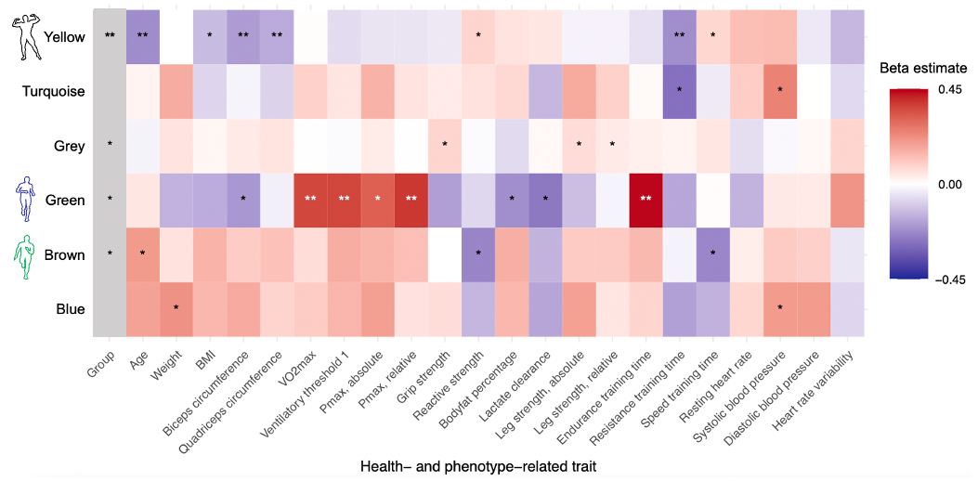
Supplementary Figure S1. Heatmap showing the associations between modules and health- and exercise-relevant traits. The directionality of association is given by the coloring (red = positive association, blue = negative association) and the strength of association is given by the beta estimate value (color grading).
Significant associations (p<0.05) and significant associations after multiple testing correction (a/43=0.0012) are indicated with * or with ** respectively.
Abbreviations in the plot: BMI= body mass index, VO2max= maximum oxygen uptake capacity, Pmax abs./rel.=maximum workload achieved during the cycling test in Watts or Watts/kg bodyweight

Supplementary Figure S2
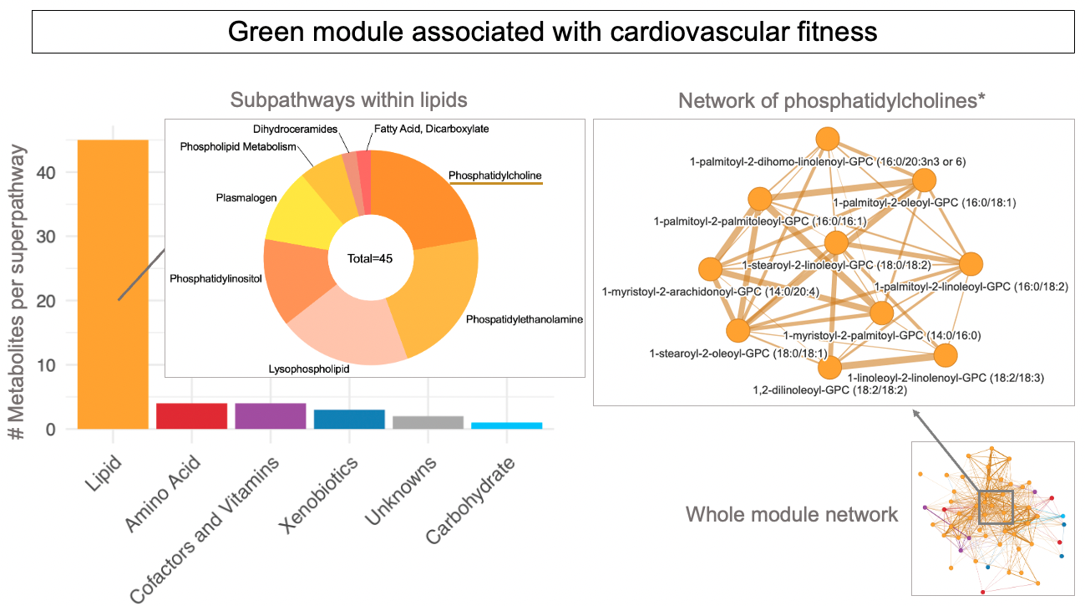
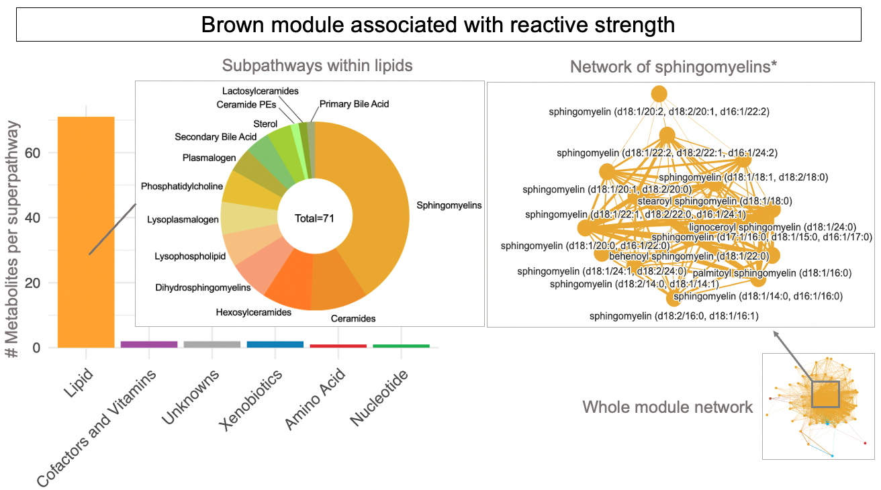
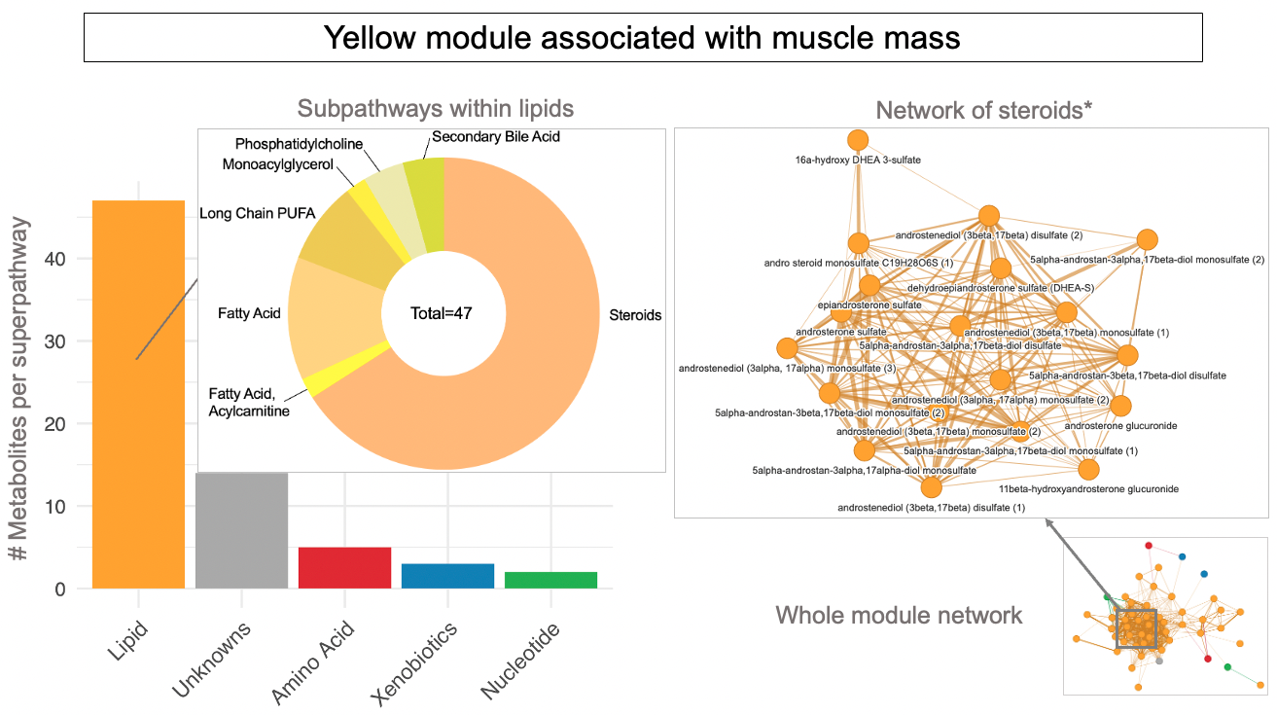
Supplementary Figure S2. Metabolite superpathways and their respective subpathways and an exemplary network extract from the most abundant metabolite subpathway are given for the "yellow", the "green" and the "brown" module The network shows metabolites (as nodes) and their correlation strength (Pearson correlation) as edges. Thicker edges indicate higher correlation. *note that only a fraction of phosphatidylcholines, sphingomyelins and steroids is shown.

Supplementary Figure S3
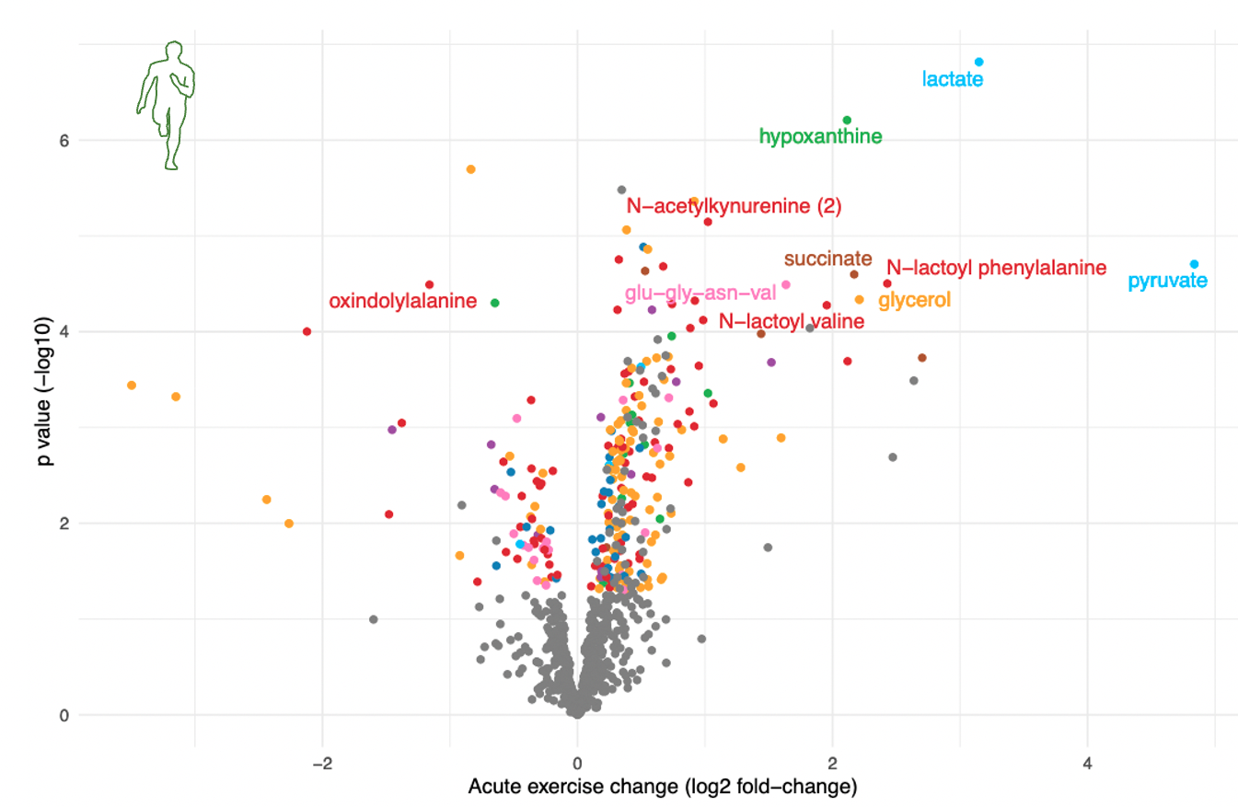
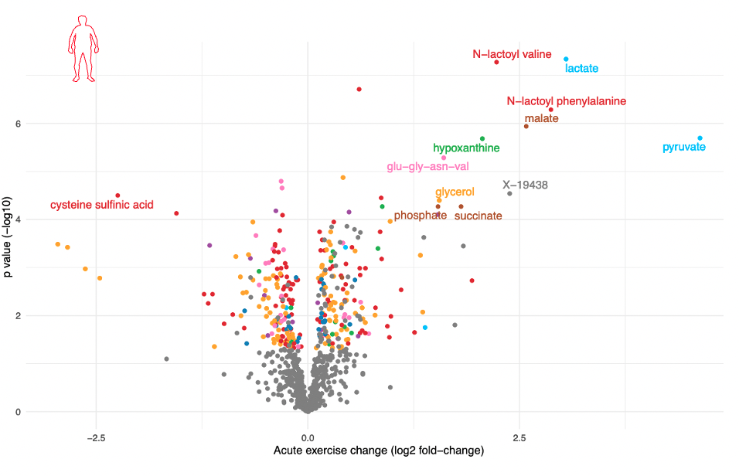
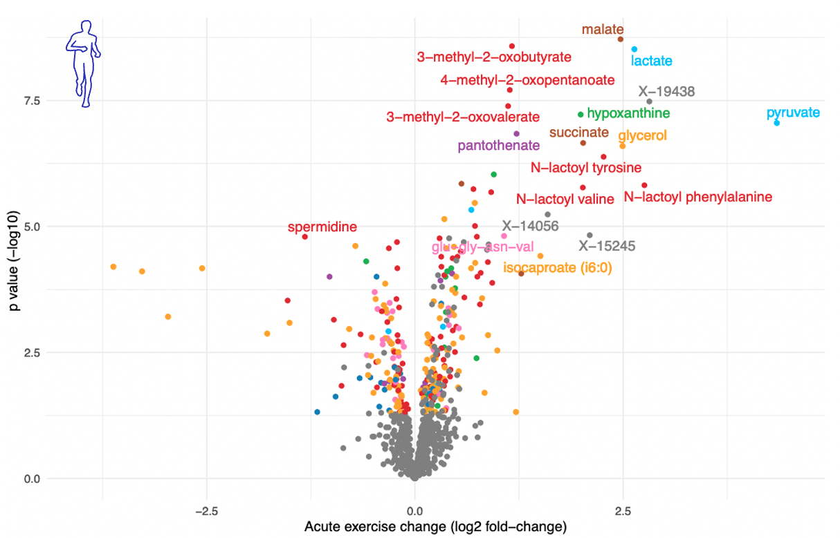
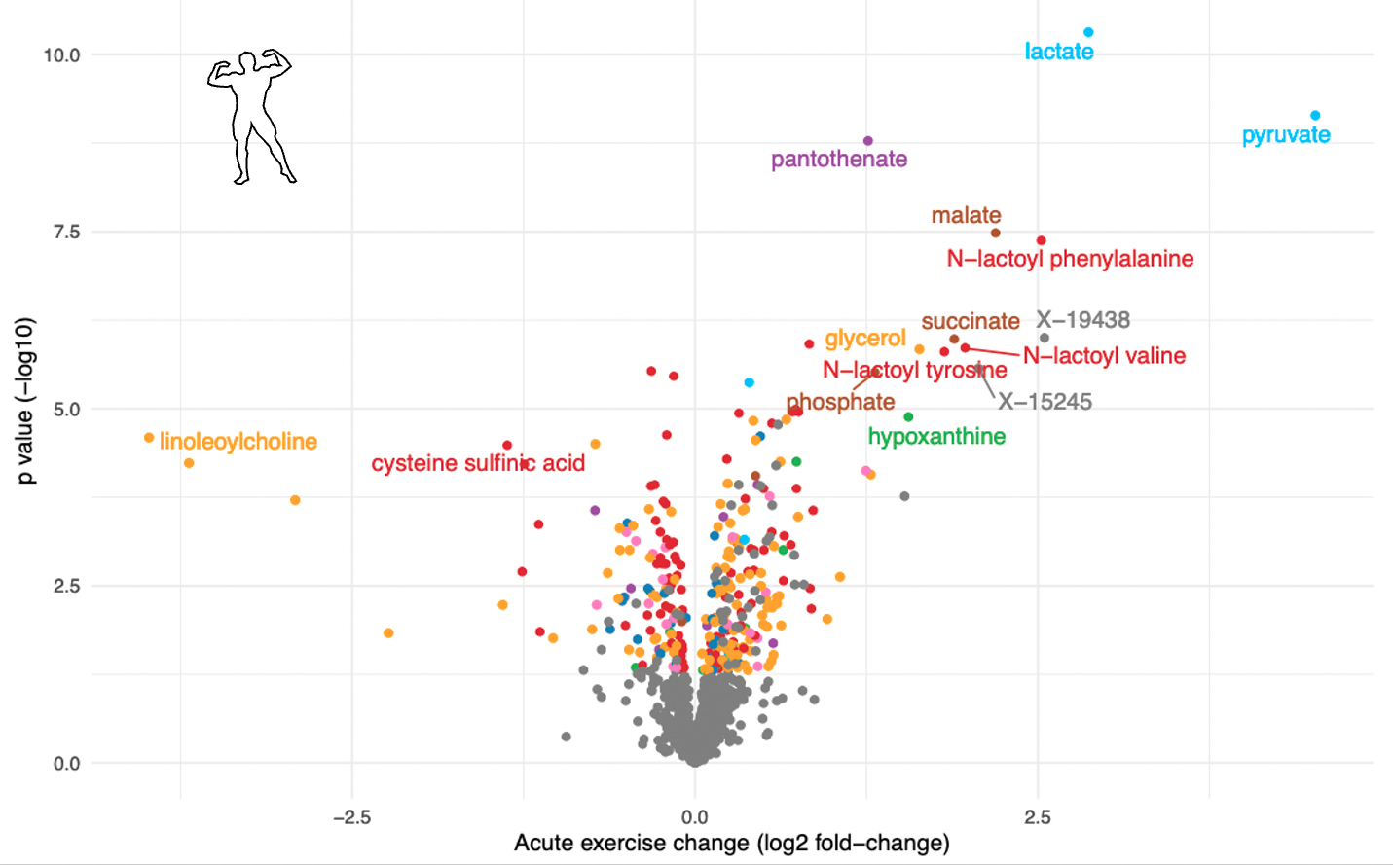
Supplementary Figure S3. Volcano plots showing metabolites significantly changed by exercise within each group. Metabolites with nominal significant changes (p<0.05) from baseline to post-exercise are colored by their superpathway and metabolites with a fold change >1 or <-1 and with a p-value < 5.8E-05 (corrected for multiple testing) are additionally labelled.

